Introduction
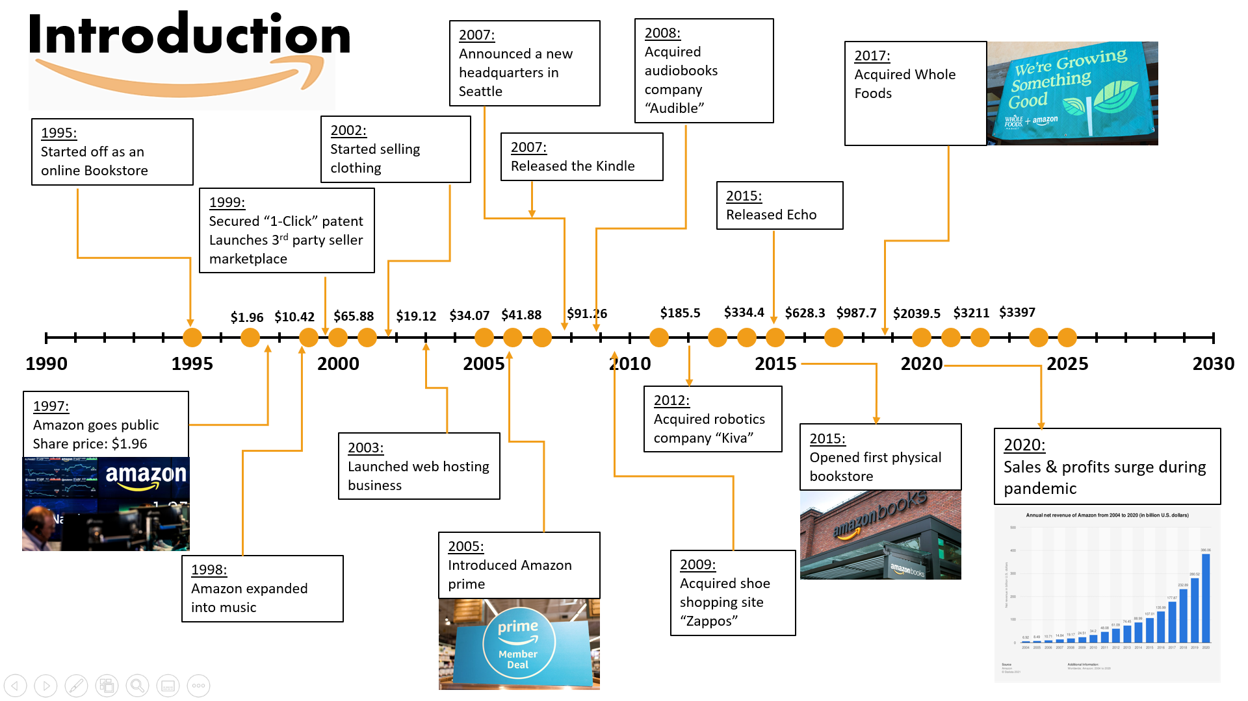
Introduction

Store Locations
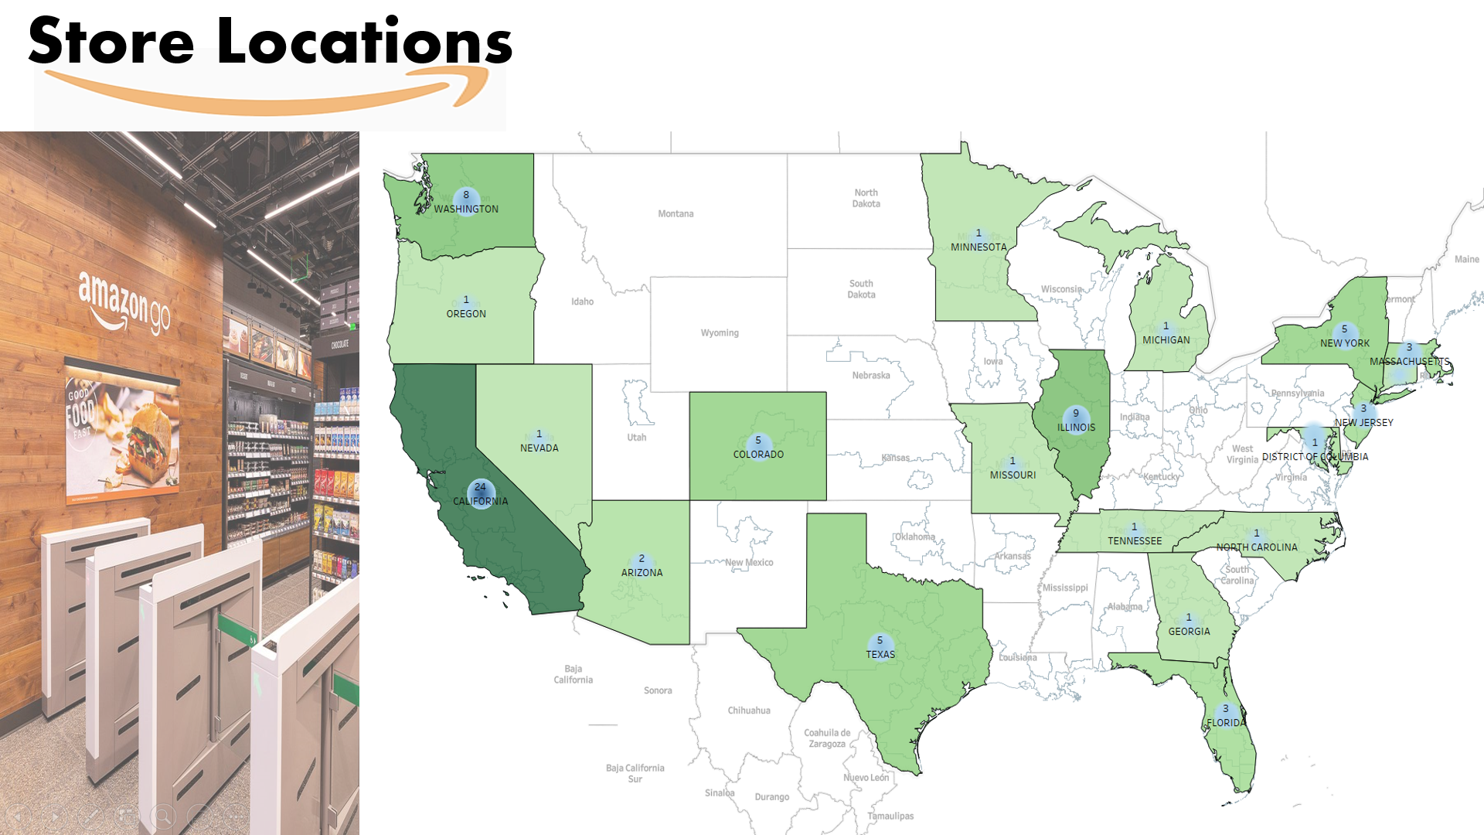
Store Locations

WACC
Weighted Average Cost of Capital (WACC)

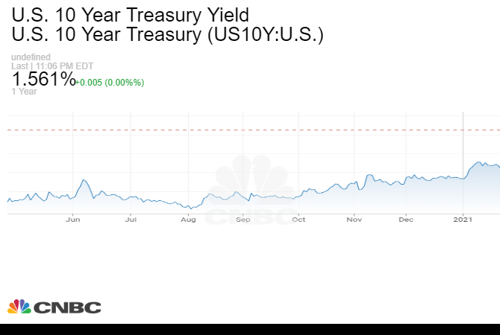
WACC

Cost of Debt: |  | -2.6%
Marginal Tax Rate |  | 11.8%
After tax Cost of debt |  | -2.29%

Cost of Equity:
Risk free rate (Rf) - US 30 Year Treasury Yield |  | 2.26%
Beta |  | 1.0043
Return on Market (Rm) |  | 5.89%
Cost of Equity (Rf + beta*(Rm-Rf) |  | 5.91%

Value of Equity (Number of shares outstanding*Current Price per share):
Price as on 14/22/2021 | $3,309
Shares Outstanding | 503,564,743
Market Capitalization | $1,666,315,877,177

Value of Equity (in millions) |  | $1,666,316

Value of Debt: | 2,019 | 2,020
Long Term Debt | 23,414 | 31,816
Less Cash & Marketable Securities | 55,021 | 84,396
Net Debt | (31,607) | (52,580) | https://www.cnbc.com/quotes/US10Y

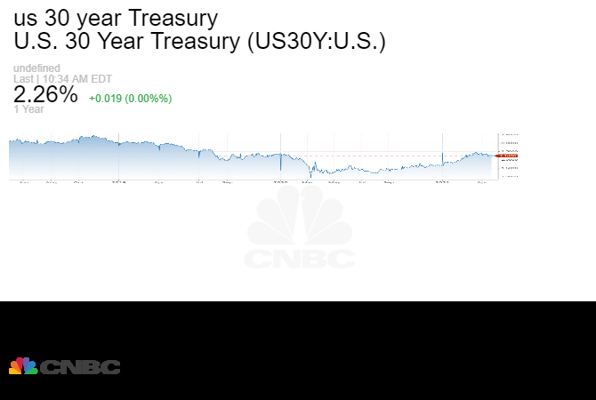
Debt + Equity |  | $1,613,736

Weight of Debt |  | -3%
Weight of Equity |  | 103%

WACC |  | 6.18%

 |  |  | https://www.cnbc.com/quotes/US30Y

Dep & Lease Schedule
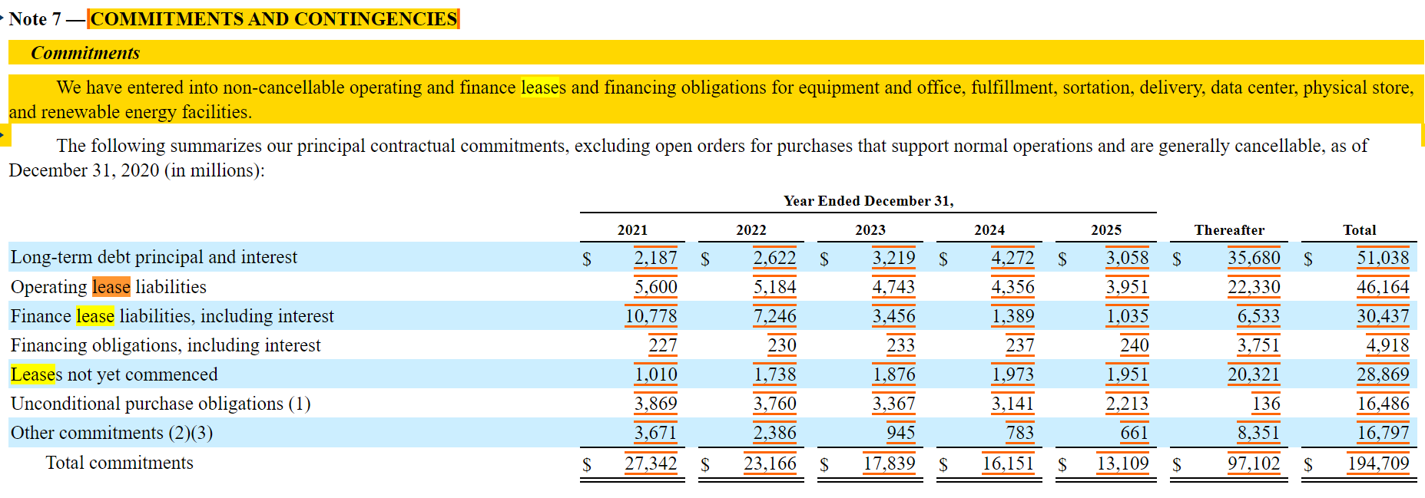
USD millions | 2018A | 2019A | 2020A | 2021E | 2022E | 2023E | 2024E | 2025E

Depreciation Forecast:

Property, Plant & Equipment, Gross | $77,138 | $94,494 | $138,365 | $177,180 | $230,334 | $276,400 | $304,040 | $319,242
Depreciation | 15,341 | 21,789 | 25,251 | 33,760 | 43,888 | 52,665 | 57,932 | 60,828
Property, Plant & Equipment, Net | $61,797 | $72,705 | $113,114 | $143,420 | $186,446 | $223,735 | $246,109 | $258,414

Depreciation as a % of Gross PPE |  | 25% | 22% | 24% | 24% | 24% | 24% | 24%

Lease Schedule

Operating Lease Liabilties |  |  |  | 5600 | 5184 | 4743 | 4356 | 3951
Finance Lease Liabiltites |  |  |  | 10778 | 7246 | 3456 | 1389 | 1035

IS Dash
Common Size Analysis Income Statement
 | 2016 | 2017 | 2018 | 2019 | 2020
Cost of sales | 65% | 63% | 60% | 59% | 60%
Fulfillment | 13% | 14% | 15% | 14% | 15%
Technology and content | 5% | 6% | 12% | 13% | 11%
Marketing | 12% | 13% | 6% | 7% | 6%
G&A | 2% | 2% | 2% | 2% | 2%
Trend Analysis Income
 | 2017 | 2018 | 2019 | 2020
Revenue | 131% | 171% | 206% | 284%
Operating income | 98% | 297% | 347% | 547%
Interest income | 202% | 440% | 832% | 555%
Net income | 128% | 425% | 489% | 900%
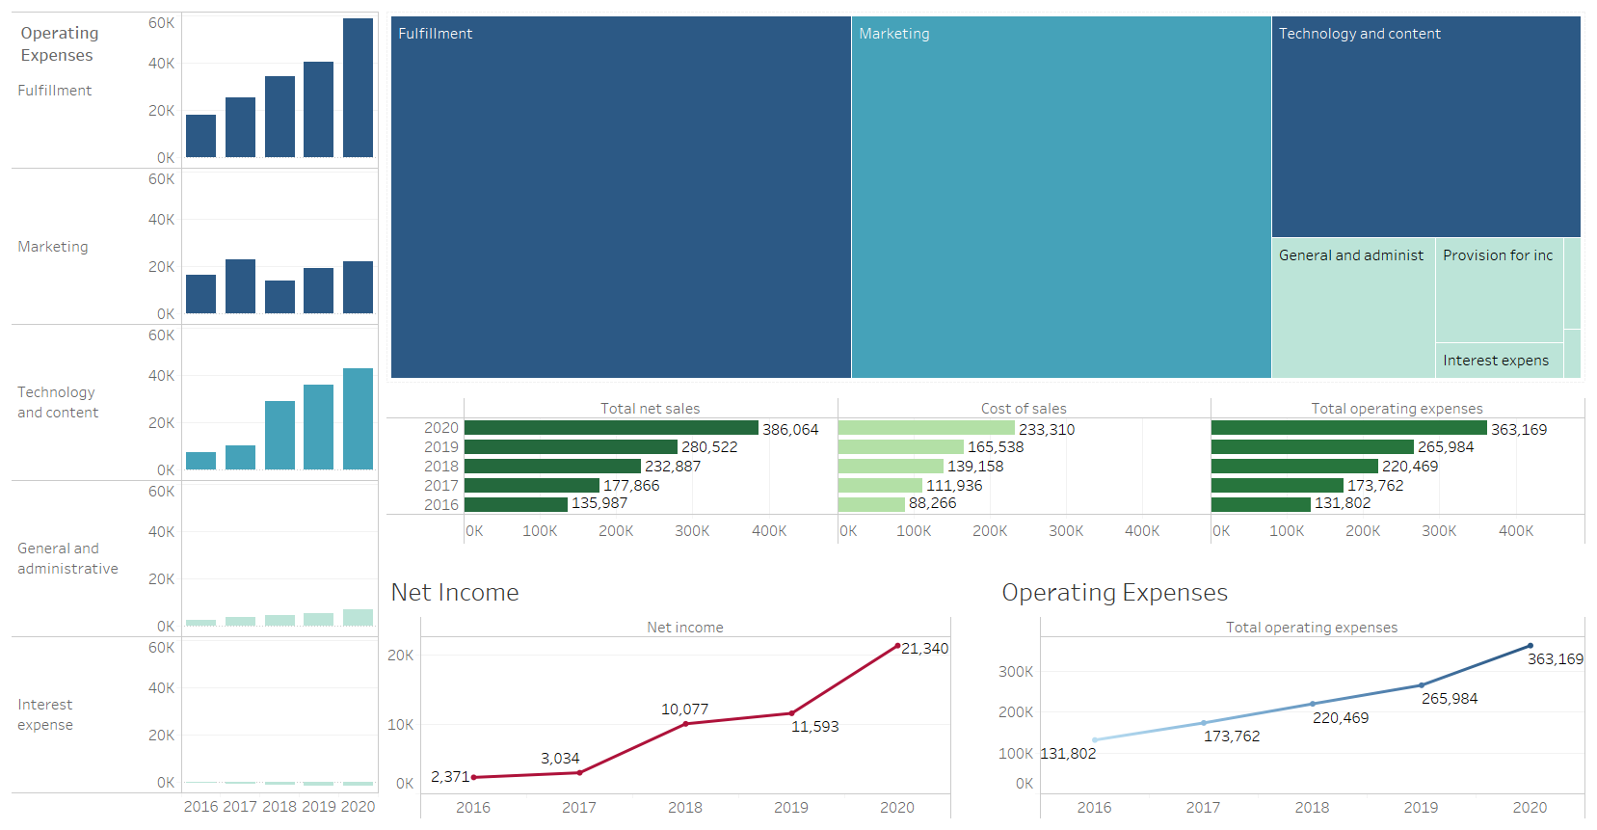

Trend Analysis Expenses
 | 2017 | 2018 | 2019 | 2020
Cost of sales | 127% | 158% | 188% | 264%
Fulfillment | 143% | 193% | 228% | 332%
Technology and content | 139% | 399% | 497% | 591%
Marketing | 141% | 86% | 117% | 137%
General and administrative | 151% | 178% | 214% | 274%
Interest expense | 175% | 293% | 331% | 340%
Revenue YoY
 | Revenue
2017 | 31%
2018 | 31%
2019 | 20%
2020 | 38%

BS Dash
Trend Analysis Assets
 | Inventories | Cash and cash equivalents | Accounts receivable | Property and equipment | Goodwill | Other assets | Marketable securities
2017 | 140% | 106% | 158% | 168% | 353% | 188% | 157%
2018 | 150% | 164% | 200% | 212% | 384% | 237% | 143%
2019 | 179% | 187% | 250% | 250% | 390% | 345% | 285%
2020 | 208% | 218% | 294% | 389% | 397% | 482% | 636%
Trend Analysis Liabilities and Equity
 | Unearned revenue | Accounts payable | Accrued expenses and other | Long-term debt | Total stockholders’ equity | Retained earnings
2017 | 107% | 137% | 132% | 322% | 144% | 176%
2018 | 137% | 151% | 172% | 305% | 226% | 399%
2019 | 172% | 186% | 236% | 304% | 322% | 635%
2020 | 204% | 287% | 321% | 414% | 484% | 1069%

Assets 2020
Cash and cash equivalents | 13% | 16% | 20% | 16% | 13%
Marketable securities | 13% | 8% | 6% | 8% | 13%
Inventories | 7% | 12% | 11% | 9% | 7%
Accounts receivable, net and other | 8% | 10% | 10% | 9% | 8%
Property and equipment, net | 35% | 37% | 38% | 32% | 35%
Operating leases | 12% | 0% | 0% | 11% | 12%
Goodwill | 5% | 10% | 9% | 7% | 5%
Other assets | 7% | 7% | 7% | 7% | 7%

Liabilties and equity 2020
Accounts payable | 23% | 26% | 23% | 21% | 23%
Accrued expenses and other | 14% | 14% | 15% | 14% | 14%
Unearned revenue | 3% | 4% | 4% | 4% | 3%
Long-term lease liabilities | 16% | 0% | 0% | 18% | 16%
Long-term debt | 10% | 19% | 14% | 10% | 10%
Retained earnings | 16% | 7% | 12% | 14% | 16%
Total stockholders’ equity | 29% | 21% | 27% | 28% | 29%

IS Analysis
Particulars: | 2016 | 2017 | 2018 | 2019 | 2020 | Particulars: | 2017 | 2018 | 2019 | 2020
Total net sales | $ 135,987 | $ 177,866 | $ 232,887 | $ 280,522 | $ 386,064 | Revenue | 31% | 31% | 20% | 38%
Cost of sales | 88,265 | 111,934 | 139,156 | 165,536 | 233,307 | Particulars: | 2017 | 2018 | 2019 | 2020
Fulfillment | 17,619 | 25,249 | 34,027 | 40,232 | 58,517 | Cost of sales | 27% | 24% | 19% | 41%
Technology and content | 7,233 | 10,069 | 28,837 | 35,931 | 42,740 | Operating expenses | 32% | 27% | 21% | 37%
Marketing | 16,085 | 22,620 | 13,814 | 18,878 | 22,008 | Operating income | -2% | 203% | 17% | 57%
General and administrative | 2,432 | 3,674 | 4,336 | 5,203 | 6,668 | Interest income | 102% | 118% | 89% | -33%
Other operating expense (income), net | 167 | 214 | 296 | 201 | (75) | Interest expense | 75% | 67% | 13% | 3%
Total operating expenses | 131,801 | 173,760 | 220,466 | 265,981 | 363,165 | Other income | 284% | -153% | -211% | 1068%
Operating income | 4,186 | 4,106 | 12,421 | 14,541 | 22,899 | Net income | 28% | 232% | 15% | 84%
Interest income | 100 | 202 | 440 | 832 | 555
Interest expense | (484) | (848) | (1,417) | (1,600) | (1,647)
Other income (expense), net | 90 | 346 | (183) | 203 | 2,371
Total non-operating income (expense) | (294) | (300) | (1,160) | (565) | 1,279
Income before income taxes | 3,892 | 3,806 | 11,261 | 13,976 | 24,178
Provision for income taxes | (1,425) | (769) | (1,197) | (2,374) | (2,863)
Equity-method investment activity, net of tax | (96) | (4) | 9 | (14) | 16
Net income | $ 2,371 | $ 3,033 | $ 10,073 | $ 11,588 | $ 21,331

Common Size Analysis Income Statement
Common Size Analysis_Income Statement | 2016 | 2017 | 2018 | 2019 | 2020
Revenue | 100% | 100% | 100% | 100% | 100%
Cost of sales | 65% | 63% | 60% | 59% | 60%
Fulfillment | 13% | 14% | 15% | 14% | 15%
Technology and content | 5% | 6% | 12% | 13% | 11%
Marketing | 12% | 13% | 6% | 7% | 6%
G&A | 2% | 2% | 2% | 2% | 2%
Other operating expense | 0% | 0% | 0% | 0% | 0%
Total operating expenses | 97% | 98% | 95% | 95% | 94%
Operating income | 3% | 2% | 5% | 5% | 6%
Interest income | 0% | 0% | 0% | 0% | 0%
Interest expense | 0% | 0% | -1% | -1% | 0%
Other income (expense), net | 0% | 0% | 0% | 0% | 1%
Total non-operating income (expense) | 0% | 0% | 0% | 0% | 0%
Income before income taxes | 3% | 2% | 5% | 5% | 6%
Provision for income taxes | -1% | 0% | -1% | -1% | -1%
Equity-method investment activity, net of tax | 0% | 0% | 0% | 0% | 0%
Net income | 2% | 2% | 4% | 4% | 6%

Trend Analysis Expenses
 | 2017 | 2018 | 2019 | 2020
Cost of sales | 127% | 158% | 188% | 264%
Fulfillment | 143% | 193% | 228% | 332%
Technology and content | 139% | 399% | 497% | 591%
Marketing | 141% | 86% | 117% | 137%
General and administrative | 151% | 178% | 214% | 274%
Interest expense | 175% | 293% | 331% | 340%
Trend Analysis_Income Statement |  | 2017 | 2018 | 2019 | 2020
Revenue |  | 131% | 171% | 206% | 284%
Cost of sales |  | 127% | 158% | 188% | 264%
Fulfillment |  | 143% | 193% | 228% | 332%
Technology and content |  | 139% | 399% | 497% | 591%
Marketing |  | 141% | 86% | 117% | 137%
General and administrative |  | 151% | 178% | 214% | 274%
Other operating expense (income), net |  | 128% | 177% | 120% | -45%
Total operating expenses |  | 132% | 167% | 202% | 276%
Operating income |  | 98% | 297% | 347% | 547%
Interest income |  | 202% | 440% | 832% | 555%
Interest expense |  | 175% | 293% | 331% | 340%
Other income (expense), net |  | 384% | -203% | 226% | 2634%
Total non-operating income (expense) |  | 102% | 395% | 192% | -435%
Income before income taxes |  | 98% | 289% | 359% | 621%
Provision for income taxes |  | 54% | 84% | 167% | 201%
Equity-method investment activity, net of tax |  | 4% | -9% | 15% | -17%
Net income |  | 128% | 425% | 489% | 900%
Trend Analysis Income
 | 2017 | 2018 | 2019 | 2020
Revenue | 131% | 171% | 206% | 284%
Operating income | 98% | 297% | 347% | 547%
Interest income | 202% | 440% | 832% | 555%
Net income | 128% | 425% | 489% | 900%
Revenue |  | 131% | 171% | 206% | 284%
Operating income |  | 98% | 297% | 347% | 547%
Interest income |  | 202% | 440% | 832% | 555%
Other income (expense), net |  | 384% | -203% | 226% | 2634%
Net income |  | 128% | 425% | 489% | 900%

BS Analysis
Consolidated Balance Sheets - USD ($) $ in Millions | Dec. 31, 2016 | Dec. 31, 2017 | Dec. 31, 2018 | Dec. 31, 2019 | Dec. 31, 2020 | Consolidated Balance Sheets - Common Size Analysis | Dec. 31, 2016 | Dec. 31, 2017 | Dec. 31, 2018 | Dec. 31, 2019 | Dec. 31, 2020 | Balance Sheet Trend Analysis | 2017 | 2018 | 2019 | 2020
Current assets: |  |  |  |  |  | Current assets: |  |  |  |  |  | Current assets:
Cash and cash equivalents | $ 19,334 | $ 20,522 | $ 31,750 | $ 36,092 | $ 42,122 | Cash and cash equivalents | 23% | 16% | 20% | 16% | 13% | Cash and cash equivalents | 106% | 164% | 187% | 218%
Marketable securities | 6,647 | 10,464 | 9,500 | 18,929 | 42,274 | Marketable securities | 8% | 8% | 6% | 8% | 13% | Marketable securities | 157% | 143% | 285% | 636%
Inventories | 11,461 | 16,047 | 17,174 | 20,497 | 23,795 | Inventories | 14% | 12% | 11% | 9% | 7% | Inventories | 140% | 150% | 179% | 208%
Accounts receivable, net and other | 8,339 | 13,164 | 16,677 | 20,816 | 24,542 | Accounts receivable, net and other | 10% | 10% | 10% | 9% | 8% | Accounts receivable | 158% | 200% | 250% | 294%
Total current assets | 45,781 | 60,197 | 75,101 | 96,334 | 132,733 | Total current assets | 55% | 46% | 46% | 43% | 41% | Total current assets | 131% | 164% | 210% | 290%
Property and equipment, net | 29,114 | 48,866 | 61,797 | 72,705 | 113,114 | Property and equipment, net | 35% | 37% | 38% | 32% | 35% | Property and equipment | 168% | 212% | 250% | 389%
Operating leases | 0 | 0 | 0 | 25,141 | 37,553 | Operating leases | 0% | 0% | 0% | 11% | 12% | Operating leases | 0% | 0% | 100% | 149%
Goodwill | 3,784 | 13,350 | 14,548 | 14,754 | 15,017 | Goodwill | 5% | 10% | 9% | 7% | 5% | Goodwill | 353% | 384% | 390% | 397%
Other assets | 4,723 | 8,897 | 11,202 | 16,314 | 22,778 | Other assets | 6% | 7% | 7% | 7% | 7% | Other assets | 188% | 237% | 345% | 482%
Total assets | 83,402 | 131,310 | 162,648 | 225,248 | 321,195 | Total assets | 100% | 100% | 100% | 100% | 100% | Total assets | 157% | 195% | 270% | 385%

Current liabilities: |  |  |  |  |  | Current liabilities: |  |  |  |  |  | Current liabilities:
Accounts payable | 25,309 | 34,616 | 38,192 | 47,183 | 72,539 | Accounts payable | 30% | 26% | 23% | 21% | 23% | Accounts payable | 137% | 151% | 186% | 287%
Accrued expenses and other | 13,739 | 18,170 | 23,663 | 32,439 | 44,138 | Accrued expenses and other | 16% | 14% | 15% | 14% | 14% | Accrued expenses and other | 132% | 172% | 236% | 321%
Unearned revenue | 4,768 | 5,097 | 6,536 | 8,190 | 9,708 | Unearned revenue | 6% | 4% | 4% | 4% | 3% | Unearned revenue | 107% | 137% | 172% | 204%
Total current liabilities | 43,816 | 57,883 | 68,391 | 87,812 | 126,385 | Total current liabilities | 53% | 44% | 42% | 39% | 39% | Total current liabilities | 132% | 156% | 200% | 288%
Long-term lease liabilities | 0 | 0 | 0 | 39,791 | 52,573 | Long-term lease liabilities | 0% | 0% | 0% | 18% | 16% | Long-term lease liabilities | 0% | 0% | 100% | 132%
Long-term debt | 7,694 | 24,743 | 23,495 | 23,414 | 31,816 | Long-term debt | 9% | 19% | 14% | 10% | 10% | Long-term debt | 322% | 305% | 304% | 414%
Other long-term liabilities | 12,607 | 20,975 | 27,213 | 12,171 | 17,017 | Other long-term liabilities | 15% | 16% | 17% | 5% | 5% | Other long-term liabilities | 166% | 216% | 97% | 135%

Stockholders’ equity: |  |  |  |  |  | Stockholders’ equity: | 0% | 0% | 0% | 0% | 0% | Stockholders’ equity:
Preferred stock | 0 | 0 | 0 | 0 | 0 | Preferred stock | 0% | 0% | 0% | 0% | 0% | Preferred stock
Common stock | 5 | 5 | 5 | 5 | 5 | Common stock | 0% | 0% | 0% | 0% | 0% | Common stock | 100% | 100% | 100% | 100%
Treasury stock, at cost | (1,837) | (1,837) | (1,837) | (1,837) | (1,837) | Treasury stock, at cost | -2% | -1% | -1% | -1% | -1% | Treasury stock, at cost | 100% | 100% | 100% | 100%
Additional paid-in capital | 17,186 | 21,389 | 26,791 | 33,658 | 42,865 | Additional paid-in capital | 21% | 16% | 16% | 15% | 13% | Additional paid-in capital | 124% | 156% | 196% | 249%
Accumulated other comprehensive income (loss) | (985) | (484) | (1,035) | (986) | (180) | Accumulated other comprehensive income (loss) | -1% | 0% | -1% | 0% | 0% | Accumulated other comprehensive income (loss) | 49% | 105% | 100% | 18%
Retained earnings | 4,916 | 8,636 | 19,625 | 31,220 | 52,551 | Retained earnings | 6% | 7% | 12% | 14% | 16% | Retained earnings | 176% | 399% | 635% | 1069%
Total stockholders’ equity | 19,285 | 27,709 | 43,549 | 62,060 | 93,404 | Total stockholders’ equity | 23% | 21% | 27% | 28% | 29% | Total stockholders’ equity | 144% | 226% | 322% | 484%
Total liabilities and stockholders’ equity | $ 83,402 | $ 131,310 | $ 162,648 | $ 225,248 | $ 321,195 | Total liabilities and stockholders’ equity | 100% | 100% | 100% | 100% | 100% | Total liabilities and stockholders’ equity | 157% | 195% | 270% | 385%
Assets 2020
Liabilties and equity 2020
Accounts payable | 23% | 26% | 23% | 21% | 23%
Accrued expenses and other | 14% | 14% | 15% | 14% | 14%
Unearned revenue | 3% | 4% | 4% | 4% | 3%
Long-term lease liabilities | 16% | 0% | 0% | 18% | 16%
Long-term debt | 10% | 19% | 14% | 10% | 10%
Retained earnings | 16% | 7% | 12% | 14% | 16%
Total stockholders’ equity | 29% | 21% | 27% | 28% | 29%
Trend Analysis Assets
Trend Analysis Liabilities and Equity

Ratio Analysis

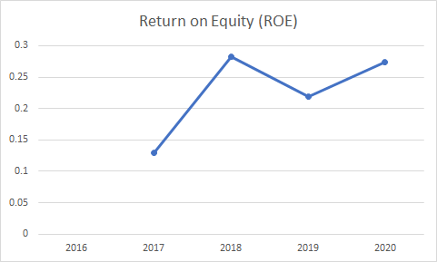
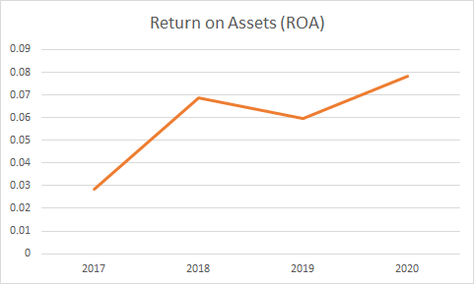
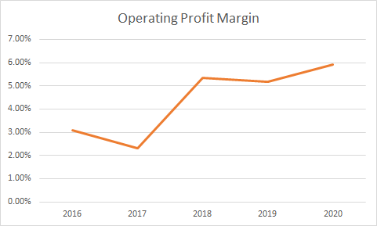
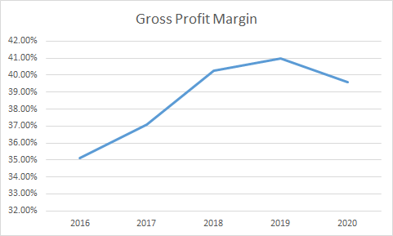
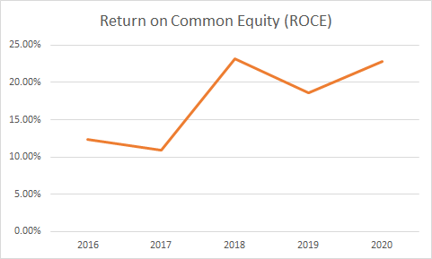
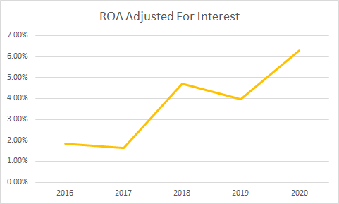
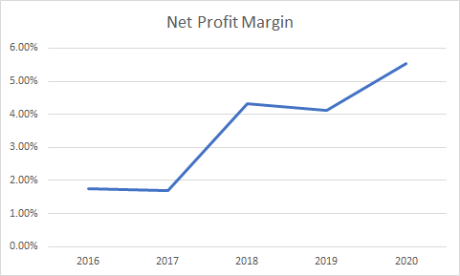
Ratio Analysis
Profitability Ratios

Regression
Regression Summary

Return SP 500 Line Fit Plot
 | Return AMZN | Predicted Return AMZN
-1% | -2% | -0.0084574981771
1% | 1% | 0.010139695482
-1% | -1% | -0.0060387234209
-1% | -1% | -0.0045363145562
0% | 1% | 0.0044176276711
1% | 1% | 0.011935653543
0% | -2% | -0.0033123680423
0% | 1% | 0.004102094879
0% | 0% | 0.00059616164257
1% | 2% | 0.008546706025
0% | 1% | 0.0050321772895
0% | 2% | 0.0022748378469
0% | 0% | -0.00018457126601
1% | 2% | 0.015294214714
1% | 2% | 0.012669726721
0% | 1% | 0.0044314769081
0% | -1% | -0.0023783480692
0% | 1% | -7.8599835841E-05
2% | 0% | 0.017496663623
1% | -1% | 0.0060562009104
-1% | -2% | -0.0046978640555
-1% | 1% | -0.0068707988579
1% | 1% | 0.0078488446163
0% | 2% | 0.00018783902591
-1% | -3% | -0.014031443393
0% | 1% | 0.0036850515551
0% | 0% | -0.00078331248493
1% | 0% | 0.0073133656689
0% | -1% | 0.0018130078542
1% | 2% | 0.011233849008
1% | 0% | 0.0068496839321
1% | 4% | 0.015009388089
-1% | -2% | -0.0045893626523
2% | 1% | 0.020373890304
-1% | -1% | -0.01268231969
-1% | -3% | -0.012329784934
-1% | -2% | -0.0073227616284
2% | 2% | 0.024687296117
0% | 1% | -0.0039776100626
-2% | -3% | -0.023792019775
1% | -1% | 0.012194186251
0% | 0% | 0.0020549439803
-1% | -2% | -0.0069732545135
0% | -2% | -0.0010697573149
0% | 1% | -0.0036417997178
0% | 1% | 0.00047140525118
0% | 0% | 0.0002214484145
0% | 0% | 0.0055246511602
0% | -1% | 0.0024628761568
0% | -1% | 0.00044653722835
...
Regression Statistics
Multiple R | 0.55440386453
R Square | 0.307363645
Adjusted R Square | 0.30709621784
Standard Error | 0.01650886448
Observations | 2592

ANOVA
 | df | SS | MS | F | Significance F
Regression | 1 | 0.3132430066 | 0.3132430066 | 1149.3359175 | 8.042419735E-209
Residual | 2590 | 0.70588535061 | 0.00027254260641
Total | 2591 | 1.0191283572

 | Coefficients | Standard Error | t Stat | P-value | Lower 95% | Upper 95% | Lower 95.0% | Upper 95.0%
Intercept | 0.00079 | 0.00032 | 2.44344 | 0.01461 | 0.00016 | 0.00143 | 0.00016 | 0.00143
Beta | 1.00435 | 0.02963 | 33.90186 | 0.00000 | 0.94625 | 1.06244 | 0.94625 | 1.06244

RESIDUAL OUTPUT

Observation | Predicted Return AMZN | Residuals
1 | -0.0084574981771 | -0.0071938125489
2 | 0.010139695482 | -0.001944007282
3 | -0.0060387234209 | -0.0050288798452
4 | -0.0045363145562 | -0.003532641353
5 | 0.0044176276711 | 0.0016046601253
6 | 0.011935653543 | 0.0018927556976
7 | -0.0033123680423 | -0.016393514311
8 | 0.004102094879 | 0.0019966707718
9 | 0.00059616164257 | 0.0015359604452
10 | 0.008546706025 | 0.013548859979
11 | 0.0050321772895 | 0.0010391215342
12 | 0.0022748378469 | 0.014962422244
13 | -0.00018457126601 | -0.00071724327008
14 | 0.015294214714 | 0.0054998314736
15 | 0.012669726721 | 0.0089586475655
16 | 0.0044314769081 | 0.0082645481844
17 | -0.0023783480692 | -0.004267209614
18 | -7.8599835841E-05 | 0.0078439071149
19 | 0.017496663623 | -0.015602531481
20 | 0.0060562009104 | -0.01927587429
21 | -0.0046978640555 | -0.011375421044
22 | -0.0068707988579 | 0.015431067207
23 | 0.0078488446163 | 0.0038294069562
24 | 0.00018783902591 | 0.015324091712
25 | -0.014031443393 | -0.020327379174
26 | 0.0036850515551 | 0.010503777008
27 | -0.00078331248493 | 0.0040867622995
28 | 0.0073133656689 | -0.0098413097714
29 | 0.0018130078542 | -0.0095533003522
30 | 0.011233849008 | 0.0070646416446
31 | 0.0068496839321 | -0.0085507808952
32 | 0.015009388089 | 0.022559049331
33 | -0.0045893626523 | -0.011578161871
34 | 0.020373890304 | -0.012686449714
35 | -0.01268231969 | 0.0035542225185
36 | -0.012329784934 | -0.016601919771
37 | -0.0073227616284 | -0.0090814243758
38 | 0.024687296117 | -0.0074835565659
39 | -0.0039776100626 | 0.015678018621
40 | -0.023792019775 | -0.0086084056233
41 | 0.012194186251 | -0.023141117226
42 | 0.0020549439803 | 0.0022710965144
43 | -0.0069732545135 | -0.01430737384
44 | -0.0010697573149 | -0.022465298397
45 | -0.0036417997178 | 0.0095626879478
46 | 0.00047140525118 | 0.011670090518
47 | 0.0002214484145 | -0.002894049134
48 | 0.0055246511602 | -0.00074860650262
49 | 0.0024628761568 | -0.0099022795548
50 | 0.00044653722835 | -0.006019887304
51 | -0.00032513911156 | -0.005073676792
52 | 0.0082246960159 | -0.016938495176
53 | 0.004707605499 | 0.0016418096916
54 | 0.011693662945 | -0.0061178731893
55 | 0.0018063855112 | -0.021767915393
56 | 0.014751826994 | -0.0036475940275
57 | 0.016914683971 | 0.025715200031
58 | -0.018602221733 | 0.0088975112157
59 | 0.010596273316 | -0.0090371351422
60 | -0.02499624215 | -0.0031294800226
61 | -0.00070210884 | 0.010456171682
62 | 0.0044247124104 | -0.0038870768228
63 | -0.0022304714658 | -0.0022328048201
64 | 0.0011113042803 | 0.012252174249
65 | 0.014789328687 | 0.030911036783
66 | 0.0089649556516 | -0.003646437491
67 | -0.0064280640814 | -0.00099645836499
68 | -0.0029765515422 | -0.0091590322268
69 | 0.0030786885713 | 0.011359718479
70 | 0.0012108361426 | 0.00091494120794
71 | -0.0057900827876 | -0.015729379007
72 | 0.0063089523831 | 0.000186620128
73 | 0.015705078789 | -0.0081279116239
74 | 0.006527909295 | -0.031424562327
75 | 0.0079065129285 | 0.0020978265055
76 | -0.014025701703 | -0.0075590577076
77 | 0.0072600139853 | -0.016061439838
78 | 0.0021405737554 | -0.013022543051
79 | -0.0014438439843 | 0.013027431924
80 | 0.0095536156702 | 0.025517576936
81 | 0.0043451405929 | -0.0082945950885
82 | 0.0015422491291 | -0.0081693713262
83 | -0.0012889280423 | 0.0013950006918
84 | -0.0031300588311 | 0.0045449636892
85 | -0.002733160152 | -0.0079063095676
86 | 0.0065758549769 | -0.0080815455928
87 | 0.0025737488298 | 0.021387377825
88 | 0.013770558955 | -0.011188923376
89 | -0.0035850125555 | 0.016596753597
90 | -0.00047725975205 | 0.0052910531379
91 | -0.00049750334537 | -0.0003754948644
92 | -0.0071905654158 | -0.015813342664
93 | 0.0035924456717 | 0.002515863068
94 | -0.0011508093504 | -0.00029739998726
95 | 0.0096678289591 | -0.017246099522
96 | 0.0001663383196 | -0.0054105685431
97 | 0.002592131007 | -0.0077317699598
98 | 0.012113342515 | 0.0043132298636
99 | -0.0038222618248 | -0.0047214450259
100 | 0.0032005379193 | 2.3887220728E-05
101 | -0.00079810335958 | 0.02228903289
102 | 0.017025143667 | -0.010676631479
103 | 0.0064536042022 | -0.0067794766394
104 | -0.0060288604634 | 0.0003759875633
105 | 0.0047567663565 | -0.0010342714137
106 | -0.010820884625 | 0.0011897537472
107 | -0.0040195837326 | 0.0054886877783
108 | 0.012491860448 | -0.011772737216
109 | 0.014462705084 | -0.0085050325182
110 | -0.009228722992 | 0.00058782564597
111 | 0.0084783358466 | 0.025251218596
112 | -0.00061268847891 | -0.033970314678
113 | 0.012543909789 | -0.063166498348
114 | 0.00050423442081 | -0.0037040787917
115 | 0.020337949957 | 0.0046037654151
116 | 0.022936038254 | 0.040293647243
117 | 0.018669855485 | -0.0040483794587
118 | 0.01316491778 | -0.023595865863
119 | -0.011389016553 | -0.043067402909
120 | 0.01279241976 | 0.0024568168475
121 | -0.034648049206 | -0.0029470937252
122 | -0.0022455577746 | 0.026969302423
123 | -0.017877119845 | 0.018701029807
124 | 0.0042539599323 | 0.0045610510436
125 | 0.0060348207311 | -0.0087162022196
126 | -0.0014120270218 | -0.0085568785459
127 | 0.0055410158333 | -0.0024853852013
128 | -0.015607585067 | -0.0044064096896
129 | 0.0009287113272 | -0.020679192191
130 | -0.00074124470203 | -0.0067088800978
131 | -0.0058587218627 | -0.017349324506
132 | -0.0055411167641 | 0.0057444177356
133 | 0.017283255739 | 0.030266691672
134 | 0.0096220818559 | 0.02049807032
135 | 0.0088351267473 | -0.010443509317
136 | 0.018274624848 | 0.012606412715
137 | -0.013255610767 | -0.017764641646
138 | 0.018846842465 | 0.0048971418553
139 | -0.0088200946421 | -0.02106262507
140 | 0.0061090899298 | 0.016925603569
141 | 0.0090827719259 | -0.007858528984
142 | -0.0040403424595 | -0.0051498610816
143 | 0.016973752072 | 0.0085244237668
144 | 0.016839385477 | 0.0081093172568
145 | 0.0037935862498 | 0.0028500342155
146 | -0.023031292928 | -0.01823757767
147 | 0.011356843881 | 0.045566557015
148 | -0.010828208207 | 0.012709842221
149 | -0.010437965689 | -0.0074500031079
150 | -0.0076557295381 | -0.014880937819
151 | -0.0038458321045 | -0.020877416904
152 | 0.0060352628749 | 0.011096682486
153 | 0.013590373571 | -0.017842319879
154 | 0.0013285768135 | -0.019876007931
155 | -0.016868006213 | -0.011737424517
156 | 0.021025759821 | 0.016680922322
157 | -0.027083793828 | -0.016860583326
158 | -0.0073751430745 | -0.014412233113
159 | -0.034485274493 | -0.011798816537
160 | 0.016225824661 | -0.0069864064879
161 | 0.0083509440229 | 0.0056046383496
162 | -0.0014113176065 | 0.015862464438
163 | 0.0075550293124 | -0.0070256031359
164 | 0.0024734913213 | -0.01463267804
165 | 0.011033167284 | 0.017462393224
166 | 0.0044051500163 | 0.0073954551188
167 | 0.010880524221 | -0.0039575626895
168 | 0.0042492859884 | -0.0080857209505
169 | 0.0039655815218 | 0.0073487455792
170 | -0.0036303574471 | -0.012070825094
171 | 0.0031065836926 | 0.037768124971
172 | 0.0035148469176 | 0.0074094457431
173 | 0.00062051810104 | -0.004733114642
174 | -0.0012628237946 | 0.00087703081115
175 | 0.014850519551 | 0.0116275096
176 | -0.007210555201 | -0.014227361514
177 | 0.0035473489039 | -0.0096405747813
178 | 0.0014289421867 | -0.019270814745
179 | 0.0072488558463 | -0.0010180340383
180 | 0.0072508768311 | 0.013839768204
181 | 0.004420852526 | 0.0042363255639
182 | 0.0080054280207 | -0.024686432146
183 | 0.0084969879083 | 0.028463853712
184 | -0.0029733601307 | 0.0090223703019
185 | 0.013275584546 | -0.0022101516979
186 | -0.0057083333715 | -0.01225438726
187 | 0.0082204611114 | 0.0071671876897
188 | -0.0054240933961 | 0.012910947001
189 | -0.011580164407 | -0.024988596047
190 | 0.0065652614917 | -0.018794891807
191 | 0.0024795425513 | -0.020794518399
192 | 0.009236633633 | 0.070058605448
193 | 0.0036542150545 | -0.016297947259
194 | -0.0026277081125 | -0.0003535488548
195 | 0.0099147005395 | -0.034275881798
196 | 0.014257807945 | -0.020701106914
197 | -0.0086100064525 | -0.021389993547
198 | 0.011304881221 | -0.0058470939076
199 | -0.0048749666657 | 0.037824057245
200 | 0.0086547129703 | 0.018340869487
201 | -0.010072376374 | -0.0085469159066
202 | 0.016743947642 | 0.040945561119
203 | 0.0053542129866 | -0.0013245821819
204 | 0.0058371308618 | 0.037616186152
205 | 0.016270018443 | 0.012994559126
206 | 0.015542710139 | -0.020180970975
207 | -0.023538995933 | 0.0011363213862
208 | 0.011800290073 | -0.0044201786324
209 | -0.025174312208 | 0.014318465588
210 | 0.0051193561598 | 0.013522205452
211 | 0.0073164782293 | 0.0071919003767
212 | -0.0048808156511 | 0.012804775198
213 | 0.0013899675329 | 0.0035324476684
214 | -0.0028227471756 | 0.01265345674
215 | 0.019838026609 | -0.003283270819
216 | 0.009141524319 | 0.001726724961
217 | 0.013910808843 | -0.018969504521
218 | -0.058407059194 | 0.024604724247
219 | -0.0045429690883 | 0.02245621397
220 | -0.0070398760253 | 0.037467063257
221 | 0.012887113738 | 0.0036493578694
222 | 0.027118801867 | -0.018015371359
223 | -0.0025901373287 | -0.0045918368094
224 | 0.014501470576 | -0.012078737205
225 | 0.0090396800783 | -0.008485309053
226 | 0.0045607582467 | 0.0071778074196
227 | 0.0056264183703 | 0.011561544362
228 | -0.0013239094182 | -0.0025301537884
229 | 0.015684970507 | -0.020421087992
230 | 0.01313575883 | -0.019299286259
231 | 0.0031571561076 | -0.0071870518221
232 | -0.0070141458793 | -0.013482724426
233 | 0.017516595295 | 0.0023295918056
234 | -0.0097367705082 | 0.019245260079
235 | 0.032431286512 | -0.025592495916
236 | 0.0047366390288 | 0.0040248697061
237 | 0.012368099482 | -0.0035290438174
238 | -0.016745369461 | 0.021399677455
239 | -0.019839905121 | -0.0017665909353
240 | 0.00097145480672 | 0.011379263033
241 | 0.017738011153 | -0.012669609069
242 | 0.01234781263 | -0.0053940529735
243 | -0.006216534563 | 0.020652620633
244 | 0.0098730553093 | -0.0090915065946
245 | 0.0050614813005 | 0.0080397551122
246 | -0.027387773669 | -0.048586341529
247 | -0.0084592541878 | 0.051148854124
248 | 0.027492588462 | -0.0021564371515
249 | -0.0044719330952 | -0.021588640137
250 | 0.015571208492 | -0.029769070684
251 | 0.014771754885 | -0.010283217837
252 | 0.00025143442041 | 0.014963337443
253 | 0.0238230859 | -0.0086306253645
254 | -0.030014943477 | 0.002654601954
255 | -0.017165500142 | 0.025001334669
256 | 0.027703217232 | -0.041485328201
257 | 0.0066351836043 | 0.036919387203
258 | -0.021332989821 | 0.032001605378
259 | 0.031498570504 | 0.021270818545
260 | -0.0093553058318 | 0.071090461397
261 | 0.015343528309 | -0.015460997717
262 | 0.034997611236 | -0.019388134016
263 | -0.00081681421148 | 0.0078302705456
264 | 0.07143011747 | -0.023700924711
265 | -0.01440970407 | 0.0080308220008
266 | 0.023721786188 | -0.017887532749
267 | -0.043541016318 | 0.021989193172
268 | -0.015289176598 | 0.0080435846249
269 | 0.034454872981 | -0.00085139116063
270 | -0.033040503487 | 0.0047151148202
271 | 0.063478571183 | -0.026545413939
272 | 0.012378340894 | -0.040345976929
273 | 0.095028571056 | -0.075441944367
274 | -0.028627954286 | 0.059363179029
275 | -0.042754739135 | 0.024231940838
276 | 0.0055215483833 | 0.022309082218
277 | -0.051262850936 | 0.063520591896
278 | 0.061008545827 | 0.0092575290117
279 | -0.11956805843 | 0.065870592883
280 | 0.09406795229 | -0.029419634572
281 | -0.09473278426 | 0.015511975857
282 | -0.048287565736 | 0.010778731373
283 | 0.050404178718 | 0.00025085583162
284 | -0.075506600919 | 0.022652720884
285 | -0.016334818492 | 0.0044118949125
286 | -0.033276229225 | 0.007059435192
287 | 0.043179175804 | -0.0081659141574
288 | -0.027436882851 | 0.0044271015728
289 | 0.047032480257 | -0.0097664146967
290 | -0.0074809289859 | 0.0071890174083
291 | -0.043561987892 | -0.0045742012366
292 | -0.0030017407664 | 0.0064740564464
293 | -0.029618396908 | 0.011427867771
294 | -0.032866026779 | -0.0084894951029
295 | -0.0097706169031 | -0.01676327581
296 | -0.0030389256698 | -0.0048496170719
297 | 0.0055194721526 | 0.0012301924651
298 | -0.0021394715029 | 0.011882361637
299 | 0.0026447499062 | -0.0096219155877
300 | -0.00084433067635 | -0.0038454299718
301 | 0.0072839407743 | -0.0030064855063
302 | 0.00248903303 | 0.0054260794614
303 | 0.0081513924341 | 0.018122068686
304 | -0.0046311049241 | 0.018800270961
305 | 0.0041332947049 | 0.00094545297281
306 | 0.012092725981 | -0.016873948018
307 | 0.01583865513 | 0.0068486875065
308 | 0.0080793654473 | -0.010329564612
309 | -0.016989594248 | 0.090780896349
310 | 0.0039411727276 | 0.0028833988547
311 | -7.7417101263E-05 | 0.0026404819873
312 | 0.010890434666 | 0.0027339647695
313 | -0.015005843625 | -0.0028816366247
314 | -0.0082882350272 | -0.0038842073927
315 | 0.0019391198221 | -0.0034649826534
316 | 0.0010835410766 | -0.0034831388568
317 | -0.0018702809863 | 0.016499839003
318 | 0.0046721241831 | -0.011711736958
319 | 0.0091961000649 | -0.00064628812464
320 | 0.0026714787653 | -0.0066405396789
321 | -0.00072792286381 | -0.01083032143
322 | 0.0077997928981 | -0.003477263292
323 | -0.0020744333701 | -0.0073361631628
324 | 0.0074774095497 | -0.0026781378175
325 | 0.0057169149682 | -0.013525571145
326 | -0.0020221925625 | 0.0041137485143
327 | 0.0043419451154 | 0.010543644751
328 | -0.0062973515591 | -0.0058416987507
329 | 0.0092083876346 | 0.017942255778
330 | 0.0037520233712 | -0.0032376716815
331 | -0.005012751373 | -0.0072399138316
332 | 0.00082729613518 | -0.00027611595304
333 | 0.0059436382397 | 0.038522947982
334 | 0.00059693909339 | -0.0027107366394
335 | 0.0016630921792 | 0.0019753069252
336 | 0.0057595111614 | -0.008984469821
337 | 0.0052717955277 | -0.00064743390492
338 | 0.0003590582975 | -0.0040616064496
339 | 0.0011299247234 | 0.010994172175
340 | 0.0079720732346 | -0.003275706364
341 | 0.0008661004144 | -0.00051958299139
342 | 0.0094056258013 | -0.0027664924967
343 | 0.00371403599 | 0.0017539697214
344 | -0.00030852240255 | -0.0055788683189
345 | -0.0023833835147 | 0.0011902081159
346 | 0.0099686256642 | -0.0035795857857
347 | 0.0022999925964 | -0.0137784253
348 | 0.0071442236979 | -0.012381641608
349 | -0.0058736898295 | -0.00065977175375
350 | -0.0078753724095 | -0.0027865958699
351 | -0.0032354838964 | -0.006503236761
352 | 0.0049858046181 | 0.0070179738654
353 | 0.0029982672549 | 0.010024313949
354 | 0.008333157832 | 0.0077748064848
355 | 0.0029775836851 | 0.0033693044101
356 | -0.00079645805188 | -0.0054022711709
357 | -0.0029793186024 | -0.0011626549589
358 | 0.00019805895759 | -4.9696307198E-05
359 | 0.0012985142866 | 0.0061979582858
360 | 0.0085220992449 | -0.017133740762
361 | 0.0016339277816 | -0.00078401476262
362 | 0.0015078394035 | -0.015506722981
363 | 0.0023646166976 | 0.0012195990979
364 | -0.0011777757299 | -0.0067902741728
365 | 0.0033649525021 | -0.0046623163672
366 | 0.0035351874348 | -0.0077506877025
367 | 0.0014987756253 | -0.0047956109254
368 | -0.00039768635658 | -0.0012370110071
369 | 0.004513346485 | 0.0028662439201
370 | 0.010497544259 | -0.0021786162042
371 | -0.0022428118977 | 0.00037203957951
372 | 0.0040606622332 | 0.0057424417273
373 | -4.2815688297E-05 | -0.0080434805706
374 | 0.006398830225 | 0.0025432762476
375 | 0.0048835917784 | -0.015805812762
376 | 0.0027219819557 | 0.0078388518658
377 | 0.003652707955 | -0.0056688350188
378 | -0.0027909830401 | -0.008370186287
379 | 0.007694666206 | 0.0083223259248
380 | -0.0031431788898 | -0.013623425679
381 | 0.0035680308366 | 0.0020861584674
382 | -0.0012150377597 | 0.0069014487022
383 | 0.010792124642 | 0.0070317726865
384 | -0.00059990963464 | 0.0032039617187
385 | 0.011779661407 | -0.0050015965025
386 | 0.0072367775674 | -0.0082414175537
387 | 0.009937306509 | -0.00027451948143
388 | -0.014835246729 | -0.0008343153708
389 | -0.0037045675099 | -0.00031347629407
390 | 0.015071828082 | -0.0062398848132
391 | 0.008799829056 | -0.0022682692942
392 | -0.017187838874 | 0.0042704628531
393 | -0.011518446887 | 0.011368663779
394 | 0.0058627541159 | 0.00019948083561
395 | -0.0045462308833 | -0.0037246533826
396 | -0.0016462740273 | -0.014464966923
397 | 0.0069785237158 | 0.008363585729
398 | -0.0076597696503 | -0.016812343048
399 | 0.00069585300945 | -0.0056340886362
400 | -0.004123662468 | -0.010885926332
401 | 0.00081323898919 | 0.0014096650014
402 | 0.0011373683643 | -0.0039302068944
403 | 0.0033861713477 | 0.0047506567326
404 | -0.0023560376569 | -0.014769670794
405 | 6.5693468598E-05 | -0.0023493759769
406 | 0.0036848153377 | 0.0075933919551
407 | 0.0080542805209 | -0.006714058646
408 | 0.001116915097 | -0.0070141641983
409 | 0.00069878815169 | -0.0018768749842
410 | 0.0017077723052 | -0.0056246967226
411 | 0.013859553427 | 0.0084105402695
412 | 0.011682385918 | -0.0056594848737
413 | -0.0061359027031 | 0.013764120338
414 | 0.0014388177182 | -0.0070982360255
415 | 0.013535572146 | -0.00098064852416
416 | 0.007367109356 | -0.0059935125501
417 | -0.002423912725 | -0.0015560513311
418 | 0.011823989692 | -0.00082160057063
419 | -0.025265939682 | -0.005232901076
420 | 0.00028491639832 | -0.010638407189
421 | 0.0090758581991 | 0.0032258404644
422 | -0.0071559597017 | -0.00096023858951
423 | 0.01295167703 | 0.00018591297167
424 | 0.015282067757 | -0.0060203337269
425 | 0.0032681733384 | 0.0041965645406
426 | -0.028626854781 | -0.0050181928215
427 | 0.015619372288 | 0.0064656068861
428 | -0.011216346341 | -0.0013197032681
429 | -0.0058520977598 | -0.0079567280797
430 | 0.01963699227 | 0.0023826299396
431 | 0.001563419264 | 0.0015521275928
432 | 0.013866767722 | -0.0010065529302
433 | -0.029113999359 | -0.0027578251505
434 | -0.0065211859882 | -0.010769608556
435 | -0.008244758895 | 0.0021058015342
436 | -0.010139614305 | -0.0065838504365
437 | -0.0017966500986 | -0.0054819309658
438 | -0.00082989487623 | -0.014918591899
439 | 0.0082129282388 | -0.023801937288
440 | -0.0044920260044 | -0.0089975668126
441 | 0.0055016873674 | -0.0023329229055
442 | 0.0076704544187 | -0.0032084020838
443 | 0.0036342101772 | 0.0071114095086
444 | -0.0054103779673 | -0.0013543744659
445 | 0.0043906974351 | -0.011483966509
446 | -0.0057663881742 | -0.0031245988335
447 | -0.0026253689956 | -0.0028620238439
448 | 0.00096982069042 | 0.0039978521092
449 | 0.0054334119087 | -0.00047103964384
450 | 0.0030884064446 | -0.011187943834
451 | 0.005323424594 | 0.0093172152907
452 | 0.0020351503688 | 0.016394258742
453 | -0.0040632722071 | 0.0089064774175
454 | -0.0010204995452 | 0.0030370204322
455 | 0.0084988953545 | -0.0060742887211
456 | 0.0037340699905 | 0.0025712995994
457 | 0.0084988138321 | 0.0065832961496
458 | 0.0065756376612 | -0.012168315123
459 | 0.0046330228163 | -0.0012343658504
460 | -0.00044614900492 | 0.010859953086
461 | -0.0087443928212 | -0.0098720466758
462 | -0.00094626219335 | 0.0023065797434
463 | -0.00047150748381 | -0.0031203641305
464 | 0.010306552413 | -0.0053820181231
465 | 0.0037913457075 | 0.00011112673051
466 | 0.0105527953 | -0.0024193267101
467 | 0.0017290154667 | 0.0070211835604
468 | -0.00082534796158 | 0.00048850094051
469 | 0.0049084518811 | 0.003165682735
470 | -0.001253276919 | -0.0032431577112
471 | 0.00044179984387 | 0.0012081498999
472 | 0.0054735288689 | 0.025900658417
473 | 0.01133647647 | 0.016975867874
474 | 0.0069554138055 | 0.0021673845839
475 | 0.0089905602345 | -0.0038216498208
476 | 0.022318674025 | -0.00053670610145
477 | -0.0019840201509 | -0.044425421452
478 | -0.012459497614 | -0.010251258876
479 | 0.0029007553871 | -0.0044783778966
480 | -0.0061487953386 | -0.0032390454683
481 | -0.0076188165619 | 0.014831106935
482 | 0.0021526134474 | 0.0021437980173
483 | -0.011172714203 | -0.012594854796
484 | -0.0020434415547 | 0.0032063006231
485 | 0.0093259053236 | -0.010105880806
486 | -0.0059854924108 | 0.00061897074144
487 | -0.005069488245 | -0.015149925507
488 | 0.0097270996086 | 0.0097368244664
489 | 0.0066575272043 | 0.010205519273
490 | 0.0088440475034 | 0.0007242477998
491 | -0.023442290684 | -0.01216651296
492 | 0.0045296842888 | -0.0097353115297
493 | -0.0022413740915 | -0.0070923962842
494 | -0.00081916027244 | -0.00086224524552
495 | -0.015790230357 | 0.00064063241871
496 | -0.003697246008 | -0.0023716227774
497 | 0.010473402186 | 0.0219547166
498 | -0.0013400316811 | -0.0042576465478
499 | -0.0067415327005 | -0.0010445270571
500 | 0.0017487316671 | -0.0078928966192
501 | 0.0018693253026 | -0.008123689774
502 | 0.0054988618439 | 0.019934180606
503 | 0.00042264686336 | -0.00015973112786
504 | -0.0014081135298 | -0.01003817151
505 | 0.0096728346396 | 0.0096456450274
506 | 0.0018096324733 | 0.011952120994
507 | 0.0023791240001 | -0.004057572907
508 | -0.0014904582547 | 0.0024458360044
509 | 0.0013047751657 | 0.008544181156
510 | 0.00016103575545 | 0.00082099192789
511 | 0.0074312957717 | -0.0079789360617
512 | 0.00083144841322 | -0.0025961629351
513 | 0.0042861778161 | 0.0019725322092
514 | -0.0053006392578 | -0.0022783229954
515 | 0.0018451984335 | 0.0050018557996
516 | 0.0054497426424 | 0.0046775041781
517 | 0.0028868939978 | -0.0038974756694
518 | 0.0029509402192 | 0.0007536050757
519 | 0.00081071149692 | -0.0009264441417
520 | 0.012412052899 | 0.0063665184893
521 | 0.0075567538656 | -0.0034235221336
522 | 0.004398339318 | -2.6082867749E-05
523 | -0.0038713648235 | -0.0062533486462
524 | 0.0080071874355 | -0.0026528425557
525 | -4.9521998612E-05 | 0.0054269875564
526 | -0.018263782335 | -0.011687950623
527 | 0.011692870909 | 0.00054234681271
528 | -0.0021639198081 | 0.022267813149
529 | 0.00066202314139 | 0.010645815867
530 | 0.0045152615687 | 0.012881804037
531 | 0.0057997612098 | 0.0097023763817
532 | -7.8618138977E-05 | -0.0026361090272
533 | 0.0077730146292 | 0.0028121764856
534 | 0.0037593591633 | -0.0022748917156
535 | 0.015522975967 | 0.015214896993
536 | -0.0013478047046 | -0.0018195141891
537 | -0.0073678226327 | -0.018396880481
538 | -0.0057592686551 | -0.0081143345372
539 | -0.00034319655541 | -0.0018617651542
540 | -0.0031042658528 | 0.01772389001
541 | 0.007718498018 | 0.011734753146
542 | -0.0020446277005 | 0.0012768392026
543 | 0.00024679059293 | 0.0026192213426
544 | -6.2125946321E-07 | 0.0020826935191
545 | 0.0020303457604 | -0.0011477910594
546 | 0.0072321437091 | 0.00025199799517
547 | -0.0027485387427 | 0.0011086675638
548 | 0.0025780511959 | -0.0059450009913
549 | 0.0022984848304 | 0.0099096096987
550 | 0.011719179032 | -0.020778478809
551 | -0.0018699491205 | -0.008709304538
552 | 0.0038303142312 | -0.0026154315456
553 | 0.013739460293 | 0.015808000424
554 | 0.0015053198585 | 0.00024508565887
555 | 0.0014723981092 | -0.01767068232
556 | -0.008604582266 | -0.0071795097939
557 | -0.0014409642499 | -0.0097417802116
558 | 0.0055221386936 | 0.010090328676
559 | 0.0075988464481 | -0.0032451701003
560 | 0.001695737361 | -0.055514546061
561 | 0.0094279338172 | 0.019486731532
562 | 0.016410006848 | 0.031617478759
563 | -0.00066934043769 | -0.026200601742
564 | -0.0070877610609 | -0.01247438363
565 | 0.0093188039477 | 0.00013168126299
566 | 0.0021748523017 | 0.0069165208634
567 | 0.0030056636037 | 0.0018038695873
568 | -0.013425605768 | -0.024323426687
569 | 0.014033535282 | -0.012273586752
570 | 0.0084176377232 | -0.0028112391216
571 | 0.0030248191583 | 0.0024810866767
572 | 0.011561498721 | 0.023900871276
573 | -0.0044872118727 | -0.0097457921993
574 | 0.00064621816011 | -0.010101430797
575 | 0.0053312765674 | -0.0072597051239
576 | 0.0049090308717 | -0.0031946023048
577 | 0.010530623089 | 0.006081699532
578 | 0.007834094738 | 0.026519299967
579 | 0.035278091897 | 0.014785885859
580 | -0.024071056361 | -0.0011704605176
581 | 0.002067233507 | 0.022673629971
582 | 0.0093225408158 | 0.0068815367176
583 | -0.00045374518637 | 0.01166033835
584 | 0.0093930340967 | -0.015688505474
585 | 0.05060250818 | 0.043849757277
586 | -0.026436863686 | 0.0021238278656
587 | -0.019884573808 | -0.037192572411
588 | -0.015047429199 | -0.0078610446004
589 | -0.014669436465 | -0.021682965581
590 | 0.0008799846272 | 0.019219788086
591 | -0.020070548039 | -0.024529962344
592 | -0.018376418516 | -0.021704848021
593 | 0.00059240903904 | -0.0036942484171
594 | 0.0062362357082 | 0.0061174369893
595 | 0.00043528010723 | 0.0009114112762
596 | 0.0025630492943 | 0.0047414776394
597 | -0.022628303393 | -0.018603070634
598 | -0.0007356058419 | 0.019190362829
599 | -0.031712324215 | -0.026943909214
600 | 0.011782096459 | 0.036846111863
601 | 0.0090142901939 | 0.00090468453418
602 | -0.0014140428146 | -0.0010774213487
603 | 0.023866962826 | 0.037046616944
604 | 0.0040690734274 | -0.0040121036599
605 | 0.016393100796 | 0.036381018671
606 | -0.0057901765814 | -0.0038818950421
607 | 0.0038496970717 | 0.010373364431
608 | -0.017436884907 | 0.0063080157315
609 | -0.015922217974 | -0.034987462064
610 | 0.0030261383881 | -0.019099539038
611 | 0.011433031806 | 0.0013435805175
612 | -0.0068071507844 | -0.012908778967
613 | -0.0006951477497 | -0.0027748904843
614 | -0.018993888736 | -0.025142266094
615 | -0.0084457656791 | -0.015760592013
616 | -0.0017266876686 | 0.0013963206467
617 | 0.022094234645 | 0.046495515207
618 | 0.0070797313752 | 0.0021413090156
619 | 0.0064178498444 | -0.029071287094
620 | -0.0055509165423 | 0.0055509165423
621 | 0.01139687153 | 0.030855691706
622 | 0.011691641494 | 0.032472682062
623 | 0.016528099783 | -0.0220255791
624 | -0.0057949284794 | -0.057468656638
625 | -0.016609313873 | -0.061587480798
626 | 0.019499181755 | 0.051387788846
627 | -0.030205411254 | -0.028877532657
628 | -0.004742605074 | -0.0067703315135
629 | -0.0035249604821 | 0.017850124785
630 | 0.00043045771999 | -0.0042085491797
631 | -0.013661287938 | -0.019646027915
632 | 0.00053942283508 | 0.005927762846
633 | 0.02238224687 | 0.011128080875
634 | -0.0051374977658 | -0.010327044103
635 | 0.015061213098 | 0.025215401808
636 | -0.01986927452 | -0.00057796376547
637 | -0.032213786077 | -0.029310417975
638 | -0.0006309223185 | 0.0037953926958
639 | 0.0003964110575 | -0.013748079186
640 | -0.0047587895823 | -0.0055951501189
641 | -0.0074118183581 | -0.014782391774
642 | 0.001507781757 | -0.010917792585
643 | 0.00039483671085 | -0.016883853777
644 | 0.0044500871005 | -0.0037711130615
645 | 0.00078630380019 | -0.005744117638
646 | 0.0035684815115 | 0.015739316277
647 | -0.002510344028 | 0.0026622404057
648 | -0.00051755010562 | 0.021294481138
649 | -0.0027378345836 | 0.012842207354
650 | 0.00042308938682 | -0.015487656718
651 | 0.0086678423028 | 0.00061362518178
652 | 0.0020519528868 | -0.0095891129963
653 | 0.0061855387961 | 0.011120278984
654 | -0.0048007513716 | -0.026749461482
655 | 0.0010698590622 | -0.010959979547
656 | 0.0060984012408 | -0.0061637303865
657 | 0.0011514086579 | 0.0002827940775
658 | 0.0045492860264 | 0.020277823556
659 | 0.0026992876674 | -0.0093895889175
660 | -0.0014297247542 | -0.0017567537972
661 | -0.0028749618474 | -0.015427385226
662 | -0.0020221542837 | -0.019890002941
663 | -0.00086829687411 | 0.014183702233
664 | 0.00092821157066 | 0.0042306273981
665 | -0.0036563296861 | 0.0057983791588
666 | 0.0065193993439 | 0.02725510207
667 | 0.0010636353271 | 0.001602726235
668 | 0.0084969201044 | 0.0032014927268
669 | 0.007018986756 | -0.005710462415
670 | -0.00090538345667 | -0.00014454041062
671 | 0.00039327747159 | 0.011011496556
672 | 0.0028707529834 | 0.00070469721377
673 | 0.0032317068773 | -0.0061591064825
674 | 0.0041307736156 | -0.0064101287003
675 | 0.0087470813451 | -0.0066754869658
676 | -0.0068420572479 | -0.012447932353
677 | 0.007210204983 | 0.0051566727756
678 | -0.0032301681293 | 0.0084784858639
679 | -0.0063515864341 | -8.4990937324E-05
680 | -0.00065478664014 | 0.0070157050893
681 | 0.00052967694029 | 0.01237786583
682 | 0.0036296341447 | 0.0043422126961
683 | 0.0043468686245 | 0.0090684193861
684 | 0.0054575156492 | -0.011476016827
685 | 0.0057410981213 | 0.014935805616
686 | -0.00025169960045 | 0.011351991962
687 | 0.0056991730164 | -0.0066996282884
688 | -0.0049859878927 | -0.015952039248
689 | -0.0057975717467 | 0.010924795198
690 | -0.0022522307361 | -0.027587695776
691 | 0.0099342926062 | 0.0088549287031
692 | 0.0055949109883 | 0.0095216206432
693 | 0.002639268614 | -0.0090901432439
694 | -0.00015940350652 | 0.00056204668963
695 | -0.0031769282195 | -0.013074494677
696 | 0.0029630735216 | -0.0035108220643
697 | 0.0047841207517 | 0.0069800393357
698 | -0.00023936083132 | 0.0054571238296
699 | 0.0018771172402 | 0.0072567196567
700 | 0.0095802506307 | 0.014134846235
701 | -0.0063318084877 | 0.013176085751
702 | 0.0042814969068 | -0.0019526416012
703 | 0.0096545756922 | 0.0069416578106
704 | 0.0093113477073 | -0.0028985497169
705 | 0.0094514106999 | -0.0060451796597
706 | -0.0041756552334 | -0.0073894626141
707 | 0.00387454376 | 0.0043499412365
708 | 0.0015548742753 | -0.0025245777914
709 | 0.0069986699975 | 0.017656370173
710 | -0.0078484826397 | -0.010234503254
711 | 0.0030073574547 | 0.013792054262
712 | -0.012991177904 | -0.017620780487
713 | 0.0026632687396 | -0.011072561918
714 | -0.0055798660256 | -0.0057681783492
715 | 0.0025127984496 | 0.0063067214573
716 | -0.0032477202902 | 0.009623200918
717 | -0.0013422012442 | 0.0058994301772
718 | -0.00022829716897 | -0.0043486487945
719 | 0.0032754476713 | 0.0078691625414
720 | -0.0032503486002 | 0.0068471020954
721 | 0.0025441226705 | 0.0031570738274
722 | 0.0018665592519 | 0.001179780115
723 | 0.0039327166729 | -0.007076065306
724 | 7.5898052587E-05 | -0.0038794958707
725 | 0.0093978004041 | -0.0097514868535
726 | 0.0014988680734 | 0.017164745411
727 | 0.0052922612327 | 0.0091636645663
728 | 0.011689535275 | -0.0043749195751
729 | -0.0061162608666 | 0.009027214812
730 | 0.013544193287 | -0.006091627341
731 | -0.010821252193 | 0.012510517764
732 | -0.0015742915928 | 0.0059908661893
733 | -0.0012387973514 | 0.001994144892
734 | 0.0040556864424 | 0.0088821918233
735 | -0.0023561657169 | -0.00020456561654
736 | 0.008212033754 | -0.0011679678514
737 | -0.0018504681235 | -0.0028215522547
738 | -6.6365536198E-05 | -0.0034112936664
739 | 0.0048713997177 | 0.0022093010129
740 | -0.0060786997962 | -0.0097935502763
741 | 0.0016805580501 | -0.0025352504351
742 | 0.0025082488116 | -0.0063426897149
743 | 0.010204549012 | -0.009532934584
744 | 0.010517445899 | -0.00071458048709
745 | 0.00052638673921 | -0.0053697129028
746 | 0.0042661832624 | 0.0078721288883
747 | 0.013660067741 | -0.0080178642605
748 | -0.0014702925306 | 0.0029992041033
749 | -0.0064439308532 | -0.0015066941518
750 | 0.0033533191402 | 0.0069459567491
751 | -0.0074299228482 | 0.0033030581126
752 | 0.0019116720667 | 0.034097205245
753 | 0.011272727159 | 0.028304798237
754 | 0.0026382989355 | -0.0025834543699
755 | -0.012645515779 | -0.025414660766
756 | 0.00084961798174 | -0.0071540815547
757 | -0.0077804330117 | -0.011115998611
758 | -0.0049578059917 | 0.023984712374
759 | 0.001628175411 | 0.014337732107
760 | 0.011501103648 | 0.031738546716
761 | 0.00893745767 | -0.0014521099194
762 | -0.0021059940129 | -0.010120420209
763 | 0.009079781014 | 0.0059511921568
764 | -0.0047561110503 | -0.0016286504662
765 | 0.017592756426 | 0.0038427351125
766 | 0.004144267072 | -0.0035394009561
767 | -0.021222260095 | -0.010821838406
768 | 0.0076858266752 | 0.021508084706
769 | 0.01240994409 | 0.00089410127322
770 | 0.013462852122 | 0.0011582888093
771 | -0.021641202993 | -0.030419803937
772 | 0.014622705224 | -0.0035009369727
773 | -0.0021360891924 | -0.04170346383
774 | -0.016558210058 | -0.021240779933
775 | 0.02806844637 | 0.012250847821
776 | -0.020264818256 | -0.011685045552
777 | -0.024479036678 | 0.0011268175502
778 | -0.0010588020296 | -0.0018721753804
779 | 0.0022814342301 | 0.024632377106
780 | -0.013472688961 | -0.0035473145262
781 | 0.0025040713759 | -0.0092283069054
782 | 7.8330575141E-06 | -0.0054635552448
783 | -0.004956171882 | 0.0067317551938
784 | -0.0055980458148 | -0.00078960732631
785 | -0.00048630646997 | 0.012836755086
786 | 0.018247510208 | -0.00082968240082
787 | 0.0052756978806 | -0.00083557813953
788 | 0.00030724484712 | 0.0044793013719
789 | 0.0034434575534 | 0.0057649554513
790 | 0.011873183799 | 0.0036975444127
791 | 0.0058868083809 | -0.001333559713
792 | -0.012589044651 | 2.6645486898E-05
793 | -0.010350825014 | 0.010661656511
794 | -0.01196888342 | 0.0054180957329
795 | 0.012601283456 | 0.0020320172108
796 | 0.016891189916 | -0.007021372678
797 | 0.0017710221699 | -0.00013915940711
798 | -0.0047272157816 | 0.014649964607
799 | -0.0050735897756 | 0.018644495767
800 | 0.0011682820923 | -0.010109605504
801 | 0.012914728729 | -0.0055338937215
802 | 0.014253915889 | 0.011578378504
803 | 0.0034175031205 | 0.016983173829
804 | 0.014768264949 | 0.020040636839
805 | 0.015794171252 | -0.023865273806
806 | -0.03690636444 | -0.0098757948534
807 | -0.0042301322596 | -0.013831425234
808 | 0.018309923204 | 0.019704440825
809 | -0.040364117663 | 0.012426111181
810 | -0.020507475198 | 0.04924844714
811 | 0.00014232037319 | -0.04210967446
812 | 0.0012842620557 | 0.0078059366415
813 | -0.010152943824 | 0.024359176001
814 | -0.005967999833 | 0.017115964922
815 | 0.012685806607 | 0.0048040144002
816 | 0.0013984503961 | 0.013658485354
817 | 0.00023073278192 | -0.003922388701
818 | 0.0029770421048 | 0.023565346963
819 | 0.0088950046022 | 0.016387406769
820 | 0.0051974807076 | -0.0042232360871
821 | -0.00083020605183 | -0.00046713294431
822 | 0.010249110866 | -0.017805465657
823 | -0.002746581168 | 0.0024861107322
824 | 0.0075721545774 | 0.01476695608
825 | 0.0078573787932 | 0.0099609774479
826 | -0.00032384146165 | 0.0016250349348
827 | 0.0021017617976 | 0.0025739109055
828 | 0.0024627429793 | 0.011961960296
829 | 0.0078575612649 | 0.0083049810425
830 | 0.0048393644745 | -0.00036335117163
831 | 0.0072198212558 | 0.0055554631171
832 | 0.0091326584659 | 0.0075757987708
833 | -0.0044125045124 | -0.009608240228
834 | 0.0026351945202 | 0.00061279320456
835 | 0.0015875310127 | 0.0030863191804
836 | -0.00026978449628 | 0.0074593708462
837 | 0.00033303216731 | -0.0057809746794
838 | 0.0027874556694 | -0.0052160701733
839 | -3.8304613716E-05 | -0.0081814817722
840 | -0.0024511309382 | -0.00023659363151
841 | 0.0061793628076 | 0.0035225732259
842 | 0.0098065190381 | -0.0056507060508
843 | -0.0032953186192 | 0.01199710017
844 | 0.00031818843535 | -0.00113354106
845 | 0.0023488055106 | -0.0056339643371
846 | 0.0040090719373 | 0.0019462154981
847 | 0.0063234228806 | -0.0044179391933
848 | 0.0037383121834 | 0.002718114384
849 | 0.00067861419637 | 0.0087645478611
850 | -0.0029624817796 | 0.0096823506709
851 | -0.00026352047512 | -0.024169761743
852 | -0.0012400904284 | -0.010997023657
853 | 0.0090197367552 | 0.0043104790718
854 | 0.00042235570779 | -0.027508445395
855 | 0.01068445976 | -0.012549256664
856 | 0.00040726956679 | 0.0078810575833
857 | 0.0028582871952 | 0.022951259167
858 | 3.9656878197E-05 | 0.014589733591
859 | 0.0073627066289 | 0.0043391608051
860 | 0.0020745031684 | -0.0052340829328
861 | -0.0018442564069 | -0.004671261839
862 | 0.0090249584366 | 0.00038321821805
863 | -0.004756490099 | -0.0041717894333
864 | -0.001526459851 | 0.0083189903833
865 | 0.0017810904968 | 0.0016134694903
866 | -0.00010832089212 | -0.0032394149605
867 | -0.0029851279979 | -0.00032501957596
868 | 0.0022431289992 | 0.0064020098664
869 | 0.00060326861858 | 0.0016364918117
870 | 0.0020700519883 | 0.0060804141827
871 | 0.0039037343192 | 0.011979731036
872 | 0.0009839921375 | -0.0095553919428
873 | 0.0023921874595 | -0.0038397617919
874 | 0.0017417864461 | -0.0067559171751
875 | -0.0024131499141 | 0.011405407002
876 | 0.0089012344676 | 0.12326247801
877 | 0.0020696659581 | -0.00256301068
878 | -0.0038901228611 | 0.00082623216894
879 | 0.0024181739743 | 0.0075166662609
880 | -0.0031965565105 | -0.013702229193
881 | 0.0059323282019 | -0.0096825558058
882 | 0.0011225857494 | -0.011543864586
883 | 0.0015387960295 | -0.013559055996
884 | 0.0014686142454 | 0.001303786658
885 | 0.0025515695176 | 0.00083848870442
886 | 0.0016751238899 | 0.00033301755261
887 | -0.00090086245571 | 0.0068606544155
888 | 0.0026045027351 | 0.0052966195351
889 | 0.0031257357405 | -0.0069501719489
890 | -0.0010190394089 | 0.0024438590049
891 | -0.00028510658716 | 0.0091855920983
892 | 0.0064644909135 | 0.0094865824808
893 | 0.0020453695537 | 0.0066789395148
894 | 0.0029614317563 | -0.0051403806566
895 | 0.0046840307929 | -0.0069308441844
896 | 0.0045143877878 | 0.00066122061429
897 | 0.0020030393466 | 0.0038127178327
898 | 0.0048961122814 | 0.0081765697064
899 | 0.000865606649 | -0.0021318491371
900 | -0.0014384853509 | -0.014591248064
901 | 0.0014438566909 | -0.011343869921
902 | -0.0022659993305 | -0.0065296334789
903 | 0.0014302661009 | 0.0020238788806
904 | 0.001908302922 | -0.0063530385394
905 | 0.0022553893953 | -0.015024039545
906 | 0.0026484603461 | -0.0081110578605
907 | -0.00031230366314 | -0.0070806076788
908 | 0.0015535527311 | 0.015768150037
909 | 0.0041718140803 | 0.00055230029663
910 | 0.011679525219 | 0.00080623697237
911 | -0.00070205570522 | -0.013152322072
912 | 0.00061396167499 | 0.011444297412
913 | 0.0039355433935 | -0.0013145482859
914 | -0.0067904409312 | -0.0064781304974
915 | 0.0027842930173 | -0.0051807605449
916 | 0.0065391091171 | 0.0069066154532
917 | 0.0054283846116 | 0.0087531438335
918 | 0.0016396570809 | 0.0068590827238
919 | 0.0012824097082 | -0.0004783875429
920 | 0.0024733034619 | -0.010022258168
921 | -0.0012902512978 | -0.0045030555915
922 | -0.0026754148599 | -0.0065292844669
923 | 0.010777218215 | 0.0034997030932
924 | 0.001960871992 | -0.0073653115225
925 | -0.0010501617911 | -0.0011360776133
926 | -0.014710795492 | -0.0032920118914
927 | 0.0022194709085 | -0.0068595558205
928 | 0.00029221367823 | -0.00086172248209
929 | 0.010880587774 | 0.0049356894173
930 | 0.0020742655863 | 0.0094941071059
931 | -0.013744117972 | -0.01180554725
932 | 0.00042796873482 | -0.0083383550462
933 | -0.0016317312427 | -0.00081719188404
934 | 0.0024476219137 | 0.0023013634032
935 | 0.002690441933 | -0.0020216602573
936 | -0.0013998826732 | -0.0076071681707
937 | 0.0012879984092 | -0.0015891327303
938 | 0.0032529345457 | 0.0052610794585
939 | 6.190717313E-05 | -0.031688068594
940 | -0.00055381747022 | -0.024264559203
941 | -0.00018365462547 | -0.0062753581818
942 | 0.0010770100706 | 0.011357288507
943 | 0.0037290828237 | -0.002843531023
944 | -0.00027510856721 | 0.013222651569
945 | 0.00042369117133 | -0.0033690660565
946 | 0.00063892158899 | 0.0011431501522
947 | 0.0061891947567 | -0.0038269085389
948 | 0.0013935645326 | 0.012873170759
949 | 0.00074010612531 | 0.0074750045408
950 | 0.005487032463 | -0.0043077823965
951 | 0.0026758950244 | -0.0085178687172
952 | 0.008130562546 | 0.0043225421161
953 | 7.0750022539E-06 | -0.0023553304119
954 | 0.0017249947263 | 0.016369288672
955 | 0.0072241750391 | 0.0068877618699
956 | -0.0086163219096 | 0.0021720056183
957 | 0.0022527790098 | 0.016349292486
958 | 0.0031140317889 | -0.017928109268
959 | 0.0023331075119 | -0.010458683175
960 | -0.0078442003927 | -0.0066964312683
961 | 0.0096395130686 | 0.0042325846379
962 | -0.007314631167 | -0.0099894909945
963 | 0.0011103630774 | -0.010834006747
964 | 0.0023608751888 | 7.5958956072E-05
965 | 0.00033547869957 | -0.0012634014504
966 | 0.00020798863665 | 0.0095039294139
967 | -0.0059325676364 | 0.0033400899249
968 | 0.0091766730658 | -0.0016238885098
969 | 0.0010780931199 | 0.023336729386
970 | -0.0014561490313 | -0.011140232184
971 | -0.00020688871407 | -0.00419773113
972 | 0.0053242214456 | 0.011133277642
973 | -0.00018976680976 | -0.013507348652
974 | -4.0390764939E-05 | -0.031594737832
975 | 0.0010615023999 | -0.00086348345205
976 | 0.0023683457053 | 0.0046805147135
977 | -0.00199791097 | -0.0062486003688
978 | -0.00042977145851 | 0.0050090003397
979 | 0.0045170359114 | 0.006306768366
980 | 0.0083972051092 | -0.0070599939063
981 | 0.00033117261008 | -0.0024180763674
982 | -0.00041659717184 | 0.0013404789261
983 | 0.0011050965052 | 0.0013109215221
984 | 0.0052543737517 | 0.0080368276753
985 | 0.0032931519811 | 0.0057749236509
986 | 0.002639096273 | -0.0017428132775
987 | 0.0059757344129 | 0.0053073499505
988 | 0.0075901001199 | -0.0061815961041
989 | 0.0044960609687 | 0.010036709105
990 | -0.017464052985 | -0.0045943867196
991 | 0.00010337641955 | 0.0083520410207
992 | 0.005590396528 | -0.009106290931
993 | -0.00069165229549 | 0.015180562484
994 | -0.0013790347296 | -2.2532247729E-05
995 | 0.0019287276326 | -0.0059903499448
996 | -0.00023652298412 | 0.0042195259004
997 | 0.00083087113938 | 0.015108703466
998 | 0.0048996512137 | -0.0085048744017
999 | 0.0013777716172 | -0.0050971003231
1000 | -0.000483671586 | -0.0057574556106
1001 | 0.0019874796087 | -0.003347885868
1002 | 0.0025329615014 | 0.022591623901
1003 | -0.001128234653 | 0.0083256746713
1004 | 0.0013484907251 | 0.0086483499088
1005 | 0.00030544866907 | 0.0015345096937
1006 | 0.0069102638697 | -0.0066788117078
1007 | 0.011680386667 | -0.0017976407221
1008 | -0.0022550021026 | -0.0016582287333
1009 | 0.0083832280841 | -0.0052026387138
1010 | -0.00093060351668 | -0.0041370200787
1011 | -0.002122769896 | 0.0041073140926
1012 | 0.0094439488152 | 0.010133981185
1013 | -0.0060511177932 | -0.0068473538692
1014 | -0.0029830507893 | -0.0038102524399
1015 | -0.0006469628906 | -0.0045126696653
1016 | 0.0014839259271 | 0.012104457914
1017 | -3.7548153955E-05 | -0.0037474897966
1018 | 0.0027310741878 | -0.014828557525
1019 | -0.0022749552001 | 0.0049766875579
1020 | 0.001355225795 | 0.015829109578
1021 | -0.00085611395431 | 0.006462214213
1022 | -0.0014716122675 | 0.013110874067
1023 | 0.0037409862322 | -0.001430596462
1024 | 0.0018833169774 | 0.019518560359
1025 | 0.0080761904648 | 0.002764357614
1026 | -0.00023086692596 | 0.0016618126592
1027 | -5.4474637587E-05 | -0.0020343402855
1028 | -0.00027168404881 | -0.00053013775814
1029 | 0.0026913250607 | 0.0030724153696
1030 | -0.011668713775 | -0.004399479354
1031 | -0.0012254178723 | 0.0066928804281
1032 | -0.0005268783099 | -0.00077375329249
1033 | -0.00084052845425 | 0.0013681109194
1034 | 0.0092043162781 | -0.0086882734584
1035 | -0.0026005049868 | 0.00018999475974
1036 | 0.0011614767698 | 0.0013371799942
1037 | 0.0040760793126 | -0.0047091133103
1038 | 0.0015965101343 | 0.0013429372496
1039 | -0.0015009810748 | 0.0067963403974
1040 | -0.0021327663208 | 0.0014359106134
1041 | -0.0024982601336 | -0.0013493653909
1042 | 0.0012991814822 | -0.00015650200992
1043 | -0.0050921304039 | 0.0002039089981
1044 | 0.014526440138 | -0.0050120512227
1045 | -0.0017963378358 | -0.0024457871364
1046 | 0.0018156409532 | 0.0022069148182
1047 | 0.0022930380595 | -0.010448510411
1048 | 0.0012140085841 | -0.0052111370187
1049 | -0.00029378440469 | -0.00067536346096
1050 | 0.0068675566422 | 0.006586944057
1051 | 0.0024790725891 | -0.0013773690998
1052 | -7.4663391112E-05 | 0.0017834600916
1053 | 0.0058072331803 | 0.0017370905046
1054 | 0.0048179119158 | -0.0049852866604
1055 | 0.006061879905 | 0.0048993831879
1056 | 0.0043747516728 | 0.0030520004352
1057 | 0.0065706548154 | -0.0045577930037
1058 | 0.0014896006374 | 0.0073842725934
1059 | 0.0010210033366 | 0.004996510543
1060 | -0.0013314116715 | -0.0018282982299
1061 | 0.0080896009979 | -0.043508375419
1062 | 0.0013659631564 | 0.0077648546717
1063 | 0.0010928871778 | 0.0096784687937
1064 | -0.00010066990636 | -0.0082088088364
1065 | -0.0052424429801 | -0.0012067175199
1066 | -7.7036210899E-05 | -0.0039508538008
1067 | 5.4698152356E-05 | 0.0030892839845
1068 | 0.0088541427462 | 0.0082656689918
1069 | 0.0073862642392 | -0.0018108779086
1070 | -0.0019085699016 | 0.013723036517
1071 | 0.004174009699 | -0.0050515448261
1072 | -0.0028318165471 | 0.0047637505128
1073 | 0.0025646151992 | -0.0053309925645
1074 | -0.0021872004365 | -0.0068933045734
1075 | 0.0026510970969 | 0.0016505595762
1076 | -0.0013608759931 | 0.01965828361
1077 | 0.0036350575675 | 0.00028502775216
1078 | 0.00079319704234 | -0.0020730733433
1079 | -0.002770782737 | 0.003939130344
1080 | 0.0043254474345 | 0.015586113538
1081 | 1.9177702198E-05 | 0.030713302309
1082 | 0.0065403712413 | -0.0018831471522
1083 | 0.0093166500234 | -0.0042491209512
1084 | -0.0038640334793 | -0.01610594433
1085 | 0.00049857858861 | -0.0095384824323
1086 | -0.0075996612941 | 0.0085459679797
1087 | 0.0030514091508 | 0.011161237106
1088 | 0.0020503167738 | -0.0095535135238
1089 | -0.00107788495 | -0.0044502089153
1090 | -0.0016748080421 | 0.00087089343498
1091 | 0.0044465242844 | 0.0023680592665
1092 | 0.00277691783 | 0.0080838707771
1093 | -0.00096505006688 | -0.003279338895
1094 | 0.0046932991526 | -0.014864739709
1095 | -0.007359272815 | 0.00023059573835
1096 | 0.007361385146 | 0.011346229564
1097 | -0.00034915009578 | -0.010761065474
1098 | 0.0067579495261 | -0.0050247239641
1099 | 0.0029619933676 | -0.0069727486286
1100 | 0.014013584386 | -0.0065598598641
1101 | 0.0042188980482 | 0.0028396592973
1102 | 0.0066397934796 | 0.019051047629
1103 | 0.0011919869 | -0.0056430013466
1104 | -0.0027376172593 | -0.0064820197305
1105 | -0.0018718036736 | -0.01379993305
1106 | 0.0021343191741 | -0.0076770502266
1107 | -0.0044841141738 | -0.012943484385
1108 | 0.0047245355513 | -0.0044040720308
1109 | 0.0016047192708 | -0.0082389009361
1110 | 0.0029680344138 | 0.0038653207144
1111 | 0.0082870064752 | 0.017812798441
1112 | -0.0016038743979 | 0.0065747216754
1113 | 0.0054898060338 | 0.0077857021884
1114 | -0.0007959643298 | 0.0051687107424
1115 | 0.0083065283967 | 0.025306308691
1116 | 0.00067719235513 | -0.027659239594
1117 | -0.00061081429996 | -0.0039286331223
1118 | 0.0027524333373 | -0.040970809003
1119 | 0.011918374896 | -0.03206435395
1120 | 0.0045815437914 | -0.0009888577874
1121 | 0.023113267709 | 0.016460277719
1122 | -0.00088018298391 | -0.014738554936
1123 | -0.0036494110089 | 0.0055696145251
1124 | -0.0057606450149 | -0.019512748095
1125 | -0.0060232100064 | 0.00043961632571
1126 | 0.00067039391451 | 0.01671934212
1127 | -0.0023285493269 | -0.049042459484
1128 | -0.0022065584926 | -0.002935786857
1129 | -0.00095478643573 | -0.014119767679
1130 | -0.0030209559524 | -0.00045126529621
1131 | 0.0055635983781 | 0.01775785516
1132 | 0.00070877225759 | 0.0099906834205
1133 | -0.00058852785203 | -0.008424661721
1134 | 0.0029947206152 | -0.0029458268357
1135 | 0.0069803235366 | -0.0011988954899
1136 | -0.002258007408 | -0.0099054145474
1137 | 0.00099570976832 | -0.0086167868219
1138 | -0.0023195891073 | -0.0034471720867
1139 | 0.0019447913866 | 0.0017736526567
1140 | -0.011707390438 | -0.0010167327396
1141 | 0.0054191529046 | -0.002702989533
1142 | -0.0024744103513 | -0.00017509190799
1143 | 0.0012768311985 | -0.0044745336572
1144 | 0.0051085629914 | 0.0072770294223
1145 | -0.0041839170747 | 0.00094520369612
1146 | -0.0024816358166 | 0.0018008748066
1147 | 0.0087957258663 | 0.001167497244
1148 | -0.008568611636 | 0.0089668366234
1149 | 0.0061126801542 | 0.0093386514454
1150 | 0.0072654474585 | 0.013944338533
1151 | -0.0078319551187 | -0.00034679387295
1152 | -0.0049685102156 | 0.0062733293834
1153 | 0.0073213120132 | 0.011621659331
1154 | 0.011757748253 | 0.00044396325643
1155 | 0.0010936855815 | 0.0055119074498
1156 | 0.00077441685982 | -0.0051674239915
1157 | -0.0029954441029 | 0.014467618585
1158 | 0.010946403756 | 0.00035314648743
1159 | 0.0002029667078 | -9.7820916095E-05
1160 | -0.01410191333 | 0.00051783558925
1161 | 0.015534036801 | -0.00060260998985
1162 | -0.023835434703 | -0.0066724129887
1163 | -0.0014395391487 | 0.00090417558208
1164 | 0.0006462071216 | -0.0062111481484
1165 | 0.0037878323032 | 0.017482419053
1166 | 0.0050125524471 | -0.0026508086411
1167 | 0.00075156039281 | 0.0011466429085
1168 | -0.0015929147619 | 0.0036512747569
1169 | -0.0011690807821 | -0.0036409920904
1170 | 0.0060440345648 | -0.0030661698054
1171 | -0.00079251169315 | 0.013674192067
1172 | -0.00057797650478 | 0.0031794568613
1173 | -0.0044698685141 | -0.0023502664694
1174 | 0.0027534430393 | 0.0011571695881
1175 | 0.00022752929722 | 0.0026378521262
1176 | -0.00065337772603 | -0.0086996607511
1177 | 0.003002350028 | -0.0032246575479
1178 | 0.0026698748195 | -0.0018976285798
1179 | -0.0047096884089 | -0.0010809036064
1180 | 0.0035983099398 | -0.0088665195423
1181 | -6.3129576223E-06 | 0.0017178528377
1182 | 0.0055483360793 | -0.0020613057798
1183 | -0.0020839370941 | 0.0024093265861
1184 | 0.0011846397899 | 0.0010982865362
1185 | -0.00011780721089 | 0.00087503065686
1186 | 0.0094340245774 | -0.0025857526121
1187 | 0.001006710773 | 0.0071163742452
1188 | 0.0039407539957 | -0.011750585791
1189 | -0.005596039249 | -0.0037299996356
1190 | -0.00048210349656 | 0.012250519864
1191 | 0.0024315769251 | 0.0058064389444
1192 | 0.0024063947667 | 0.019231519588
1193 | -0.00041062098586 | 0.0018787703087
1194 | 0.0011174065193 | -0.0065526468237
1195 | -0.0022313415824 | -0.0048169629388
1196 | 0.0053669004725 | -0.0047892880657
1197 | -0.0028349845852 | 0.0011051422179
1198 | 0.0050820578876 | 0.0027157107541
1199 | -0.00064827628334 | 0.0059195208159
1200 | 0.0031858893697 | -0.0023292525288
1201 | -0.00013978237565 | -0.0076314128574
1202 | 0.0060752223403 | -0.0080008016872
1203 | 0.00092853217874 | -0.0083863539613
1204 | 0.0078329571943 | -0.015222390166
1205 | 0.0042166194873 | 0.0064697899486
1206 | 0.016112827239 | -0.0035682070235
1207 | -8.213076033E-05 | -0.0013277986348
1208 | 0.0061694539472 | 0.0068919515101
1209 | -0.0060840817733 | 0.0094188615982
1210 | 0.0027503416866 | 0.011307395758
1211 | 0.014417144535 | -0.014389169409
1212 | 0.017899856282 | -0.0070940594452
1213 | 0.018640617385 | 0.0053556036288
1214 | -0.017381944041 | 0.006508593977
1215 | -0.035282673089 | 0.0032640678712
1216 | 0.014215290963 | 0.0019401289468
1217 | -0.00086556669178 | -0.006426812606
1218 | 0.0035170906712 | -0.00098211640658
1219 | 0.0066266067876 | 0.0041606280801
1220 | -0.0024789160231 | -0.013019118631
1221 | 0.0039398065148 | 0.00061035722739
1222 | -0.0010554814049 | -0.0059513003052
1223 | -0.0010135097024 | 0.0066899232933
1224 | -0.0073572535292 | 0.0036381479305
1225 | -0.0084218954396 | -0.0049637304502
1226 | -0.00093196113019 | 0.0023219327518
1227 | 0.0041170332705 | -0.00011003484559
1228 | 0.0020882603236 | -0.0062025669881
1229 | 0.0057117444958 | -0.0040715840138
1230 | -0.0021312100072 | -0.0015763754551
1231 | 0.0036301822276 | 0.0086015368533
1232 | 0.0019283157631 | -0.0065631005581
1233 | -0.00021159810404 | 0.015024004243
1234 | 0.0050987013785 | -0.0088334135812
1235 | 0.00058181052612 | 0.0086791441181
1236 | 0.0077982552371 | -0.0019050943037
1237 | 0.014534021232 | -0.0038415031122
1238 | -0.0013013097745 | -0.007307096747
1239 | 0.0068388438325 | -0.00071164936782
1240 | -0.0029296344464 | 0.0044638060452
1241 | 0.00099924579161 | 0.0021362151621
1242 | -0.0086590194127 | -0.012996840752
1243 | 0.010632455566 | -0.009590098656
1244 | -0.0077218744249 | -0.003435216208
1245 | 0.00062292448519 | 0.0059668335617
1246 | -0.008809901918 | 0.023260771531
1247 | 0.013331110128 | 0.020975630586
1248 | 0.0015499444394 | 0.007056017274
1249 | 0.0039816261738 | 0.018564588139
1250 | 0.00055326508484 | -0.018156479539
1251 | -0.0051694906561 | 0.0045438829048
1252 | -0.0079212336998 | -0.010401453205
1253 | 0.0086371378714 | 0.028143207505
1254 | -0.0042918877937 | 0.099956384471
1255 | -0.0084777571457 | 0.00094357816018
1256 | 0.0024497403154 | -0.019162874015
1257 | 0.0026741287641 | -0.017557563484
1258 | -0.0010267041777 | 0.010212863726
1259 | 0.00084121784009 | -0.017481471406
1260 | -0.0044234370709 | 0.0012796432804
1261 | 0.001558121171 | 0.0065482107377
1262 | 0.0038911043357 | -0.015616849644
1263 | 0.0073625936649 | 0.0077518206464
1264 | -0.0001953413683 | 0.008475671614
1265 | 0.00096682404224 | 0.0086782638412
1266 | 0.010876986007 | 0.008437675412
1267 | 0.010497326037 | 0.0016517352371
1268 | -0.0019585013299 | 0.0041953278581
1269 | 0.0035919125672 | 0.0017679491873
1270 | -0.01123468765 | -0.0064540309578
1271 | 0.01134654089 | 0.015848329947
1272 | -0.0093954547774 | -0.0024894168089
1273 | -0.0024289957534 | -0.006443181356
1274 | 0.0071516033302 | 0.0010351510617
1275 | -0.0012554446659 | -0.007179616857
1276 | 0.0051624447372 | 0.0029708141487
1277 | 0.0096481800037 | 0.014477900188
1278 | 0.0013407688631 | -0.0066242699123
1279 | 0.00041349352867 | 0.022970118435
1280 | -0.0056205413889 | 0.021945879182
1281 | -8.797944707E-05 | 0.01182125544
1282 | 0.0017830474846 | 0.0016584156032
1283 | 0.0052179295827 | -0.018373915879
1284 | 0.0074170946672 | -0.033241214826
1285 | 0.0064179257535 | -0.011183791589
1286 | -0.0010517462957 | 0.0074176619031
1287 | -0.00047329162656 | 0.0070743170633
1288 | 0.017259944292 | 0.0018479800164
1289 | 0.00094971105664 | -0.0019148709901
1290 | 0.0058675449346 | -0.0072776741352
1291 | -0.010495754216 | 0.005982644667
1292 | 0.0016820471487 | -0.023137739116
1293 | 0.0041134719798 | -0.0081827632934
1294 | 0.0043071039604 | -0.0089951167435
1295 | 0.0049053094519 | -0.0028846475901
1296 | 0.024765710133 | 0.023232474621
1297 | -0.007363032996 | 0.0024822446784
1298 | -0.0010850940067 | 0.0012291199394
1299 | 0.012190836094 | -0.010187287534
1300 | 0.0052522611506 | -0.0032629386273
1301 | -0.011715303898 | -9.4467720278E-06
1302 | 0.015310218786 | 0.030679638938
1303 | 0.00076701262086 | 0.018090175951
1304 | -0.0038927959277 | -0.013145167766
1305 | 0.017345254829 | 0.0076019733393
1306 | 0.017381662026 | 0.010266814268
1307 | 0.02039601928 | -0.013925494183
1308 | -0.011561401997 | 0.038759240239
1309 | 0.00060341246968 | 0.016842194761
1310 | 0.00012668244325 | -0.012480706057
1311 | -0.013422185839 | -0.014518783353
1312 | -0.017768408056 | -0.045876100883
1313 | 0.0023266048907 | 0.0074461236226
1314 | 0.0058069283649 | -0.043897799428
1315 | -0.018031352348 | -0.021477393288
1316 | 0.00034802684298 | -0.021114640131
1317 | 0.025661004252 | -0.10176075687
1318 | 0.006345779647 | 0.082794534297
1319 | -0.010117464419 | -0.019653885269
1320 | 0.0149989687 | -0.0070865908306
1321 | -0.014912702197 | 0.015164259926
1322 | 0.021165020001 | 0.015981486655
1323 | 0.0060111929762 | -0.00032708942703
1324 | -0.010951472091 | 0.0062342319879
1325 | 0.0013273295515 | 0.006214125871
1326 | -0.020899751779 | -0.017582553449
1327 | 0.017561686484 | 0.0016713999848
1328 | -0.024280727709 | -0.034111568855
1329 | 0.0086298967713 | -0.0083870356932
1330 | 0.0016501693189 | 0.015959586404
1331 | -0.010092306832 | 0.0086283235485
1332 | -0.023010211366 | -0.016047752852
1333 | -0.012379215117 | 0.010580584593
1334 | 0.002814203468 | -0.00783784913
1335 | -0.014577079735 | -0.042976699929
1336 | -0.0086595340844 | -0.010467683566
1337 | -0.0064553935358 | -0.00060537883878
1338 | 0.011469097858 | 0.016330011541
1339 | -0.0013948343214 | 0.0201187656
1340 | -0.00081236213639 | -0.00055879046802
1341 | 0.013265192729 | -0.012435835902
1342 | 0.009648271969 | -0.011694871688
...

